ERIXP USD
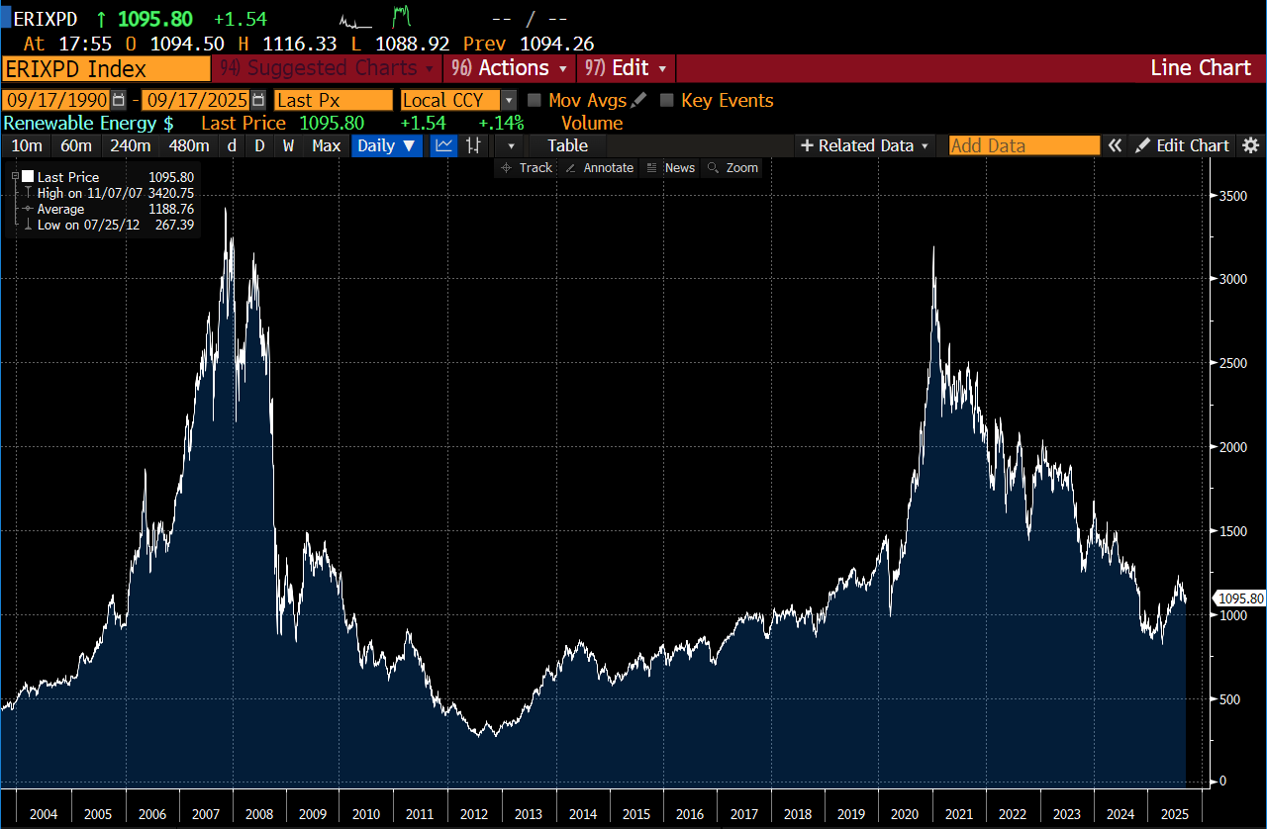
Date | Last Price
2025-09-17 | 1095.8
2025-09-16 | 1094.26
2025-09-15 | 1095.19
2025-09-12 | 1064.62
2025-09-11 | 1078.88
2025-09-10 | 1107.6
2025-09-09 | 1099.96
2025-09-08 | 1114.99
2025-09-05 | 1116.95
2025-09-04 | 1082.41
2025-09-03 | 1077.23
2025-09-02 | 1080.26
2025-09-01 | 1128.94
2025-08-29 | 1123.84
2025-08-28 | 1146.06
2025-08-27 | 1123.7
2025-08-26 | 1138.5
2025-08-25 | 1138.09
2025-08-22 | 1189.66
2025-08-21 | 1159.12
2025-08-20 | 1161.81
2025-08-19 | 1169.01
2025-08-18 | 1155.6
2025-08-15 | 1095.2
2025-08-14 | 1080.45
2025-08-13 | 1097.78
2025-08-12 | 1107.49
2025-08-11 | 1087.81
2025-08-08 | 1178.82
2025-08-07 | 1164.97
2025-08-06 | 1178.36
2025-08-05 | 1172.81
2025-08-04 | 1175.74
2025-08-01 | 1164.47
2025-07-31 | 1164.28
2025-07-30 | 1167.44
2025-07-29 | 1179.42
2025-07-28 | 1207.05
2025-07-25 | 1230.54
2025-07-24 | 1224.52
2025-07-23 | 1208.85
2025-07-22 | 1193.29
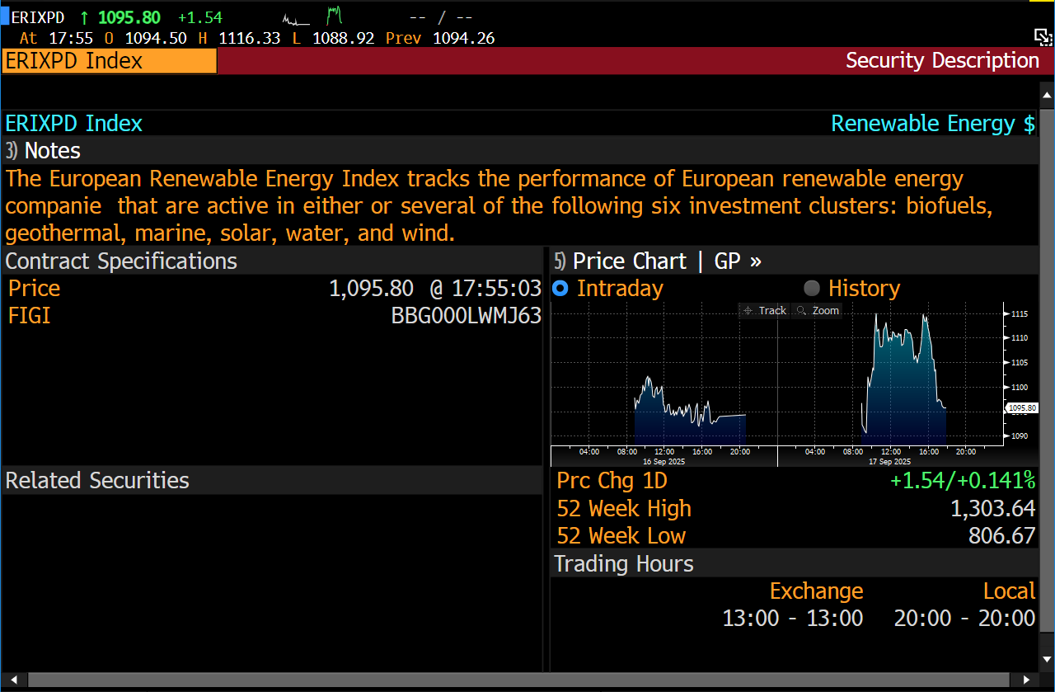
2025-07-21 | 1173.54
2025-07-18 | 1167.51
2025-07-17 | 1109.72
2025-07-16 | 1113.69
2025-07-15 | 1131.34
2025-07-14 | 1108.25
2025-07-11 | 1120.1
2025-07-10 | 1135.76
2025-07-09 | 1127.58
2025-07-08 | 1112.12
2025-07-07 | 1136.49
2025-07-04 | 1162.61
2025-07-03 | 1167
2025-07-02 | 1130.14
2025-07-01 | 1081.57
2025-06-30 | 1062.2
2025-06-27 | 1104.29
2025-06-26 | 1109.33
2025-06-25 | 1077.8
2025-06-24 | 1068.8
2025-06-23 | 1049.41
2025-06-20 | 1053.61
2025-06-19 | 1046.07
2025-06-18 | 1052.12
2025-06-17 | 1069
2025-06-16 | 1099.92
2025-06-13 | 1069.76
2025-06-12 | 1077.46
2025-06-11 | 1072.48
2025-06-10 | 1058.59
2025-06-09 | 1042.96
2025-06-06 | 1039.6
2025-06-05 | 1038.5
2025-06-04 | 1038.48
2025-06-03 | 1011.04
2025-06-02 | 1023.98
2025-05-30 | 1025.47
2025-05-29 | 1026.66
2025-05-28 | 1020.7
2025-05-27 | 1020.58
2025-05-26 | 1023.1
2025-05-23 | 1009.15
2025-05-22 | 999.41
2025-05-21 | 1039.91
2025-05-20 | 1055.78
2025-05-19 | 1008.2
2025-05-16 | 1015.36
2025-05-15 | 1023.07
2025-05-14 | 1023.56
2025-05-13 | 1035.16
2025-05-12 | 996.41
2025-05-09 | 978.23
2025-05-08 | 952.66
2025-05-07 | 953.55
2025-05-06 | 968.61
2025-05-05 | 953.98
2025-05-02 | 955.81
2025-05-01 | 938.66
2025-04-30 | 942.88
2025-04-29 | 936.58
2025-04-28 | 937.21
2025-04-25 | 928.15
2025-04-24 | 924.49
2025-04-23 | 925.07
2025-04-22 | 937.63
2025-04-17 | 927.96
2025-04-16 | 929.21
2025-04-15 | 925.43
2025-04-14 | 912.99
2025-04-11 | 881.35
2025-04-10 | 863.2
2025-04-09 | 819.56
2025-04-08 | 852.88
2025-04-07 | 837.09
2025-04-04 | 865.31
2025-04-03 | 953.42
2025-04-02 | 919.62
2025-04-01 | 908.96
2025-03-31 | 905.16
2025-03-28 | 946.42
2025-03-27 | 961.13
2025-03-26 | 970.26
2025-03-25 | 974.69
2025-03-24 | 975.23
2025-03-21 | 1000.96
2025-03-20 | 1024.28
2025-03-19 | 1053.14
2025-03-18 | 1065.49
2025-03-17 | 1037.68
2025-03-14 | 1008.37
2025-03-13 | 987.56
2025-03-12 | 981.94
2025-03-11 | 1005.13
2025-03-10 | 984.78
2025-03-07 | 984.04
2025-03-06 | 980.26
2025-03-05 | 959.42
2025-03-04 | 895.77
2025-03-03 | 907.32
2025-02-28 | 910.38
2025-02-27 | 910.06
2025-02-26 | 940.43
2025-02-25 | 929.04
2025-02-24 | 912.89
2025-02-21 | 894.86
2025-02-20 | 893.58
2025-02-19 | 889.95
2025-02-18 | 892.13
2025-02-17 | 888.81
2025-02-14 | 901.57
2025-02-13 | 892
2025-02-12 | 885.15
2025-02-11 | 894.72
2025-02-10 | 891.63
2025-02-07 | 892.75
2025-02-06 | 906.64
2025-02-05 | 912.43
2025-02-04 | 871.27
2025-02-03 | 852.63
2025-01-31 | 879.13
2025-01-30 | 890.16
2025-01-29 | 872.23
2025-01-28 | 856.21
2025-01-27 | 865.82
2025-01-24 | 881.67
2025-01-23 | 865.15
2025-01-22 | 855.14
2025-01-21 | 891.34
2025-01-20 | 927.03
2025-01-17 | 910.33
2025-01-16 | 890.39
2025-01-15 | 920.76
2025-01-14 | 885.72
2025-01-13 | 875.35
2025-01-10 | 881.24
2025-01-09 | 905.78
2025-01-08 | 908.1
2025-01-07 | 961.46
2025-01-06 | 973.84
2025-01-03 | 965.83
2025-01-02 | 950.93
2024-12-31 | 920.28
2024-12-30 | 917.85
2024-12-27 | 926.66
2024-12-24 | 927.37
2024-12-23 | 926.96
2024-12-20 | 906.65
2024-12-19 | 910.37
2024-12-18 | 932.79
2024-12-17 | 913.93
2024-12-16 | 914.37
2024-12-13 | 930.45
2024-12-12 | 949.99
2024-12-11 | 969.34
2024-12-10 | 988.06
2024-12-09 | 1020.55
2024-12-06 | 935.45
2024-12-05 | 897.69
2024-12-04 | 888.83
2024-12-03 | 919.06
2024-12-02 | 931.04
2024-11-29 | 949.81
2024-11-28 | 947.8
2024-11-27 | 935.93
2024-11-26 | 909.25
2024-11-25 | 936.46
2024-11-22 | 894.48
2024-11-21 | 891.41
2024-11-20 | 902.69
2024-11-19 | 903.69
2024-11-18 | 921.53
2024-11-15 | 934.55
2024-11-14 | 942.31
2024-11-13 | 927.53
2024-11-12 | 926.71
2024-11-11 | 964.79
2024-11-08 | 976.99
2024-11-07 | 986.93
2024-11-06 | 966.45
2024-11-05 | 1084.1
2024-11-04 | 1135.86
2024-11-01 | 1113.88
2024-10-31 | 1099.48
2024-10-30 | 1119.77
2024-10-29 | 1122.74
2024-10-28 | 1151.66
2024-10-25 | 1155.61
2024-10-24 | 1139.3
2024-10-23 | 1124.5
2024-10-22 | 1133.98
2024-10-21 | 1145.44
2024-10-18 | 1150.64
2024-10-17 | 1147.35
2024-10-16 | 1142.48
2024-10-15 | 1139.6
2024-10-14 | 1159.38
2024-10-11 | 1181.07
2024-10-10 | 1180.25
2024-10-09 | 1210.99
2024-10-08 | 1196.22
2024-10-07 | 1208.77
2024-10-04 | 1195.72
2024-10-03 | 1195.65
2024-10-02 | 1207.98
2024-10-01 | 1240.28
2024-09-30 | 1270.39
2024-09-27 | 1288.08
2024-09-26 | 1267.54
2024-09-25 | 1256.63
2024-09-24 | 1263.88
2024-09-23 | 1270.3
2024-09-20 | 1259.72
2024-09-19 | 1270.69
2024-09-18 | 1283.03
2024-09-17 | 1299.32
2024-09-16 | 1272.73
2024-09-13 | 1287.15
2024-09-12 | 1252.07
2024-09-11 | 1246.49
2024-09-10 | 1212.1
2024-09-09 | 1228.45
2024-09-06 | 1231.32
2024-09-05 | 1252.01
2024-09-04 | 1236.12
2024-09-03 | 1218.95
2024-09-02 | 1235.27
2024-08-30 | 1239.26
2024-08-29 | 1228.76
2024-08-28 | 1224.61
2024-08-27 | 1236.59
2024-08-26 | 1244.29
2024-08-23 | 1274.01
2024-08-22 | 1255.96
2024-08-21 | 1265.79
2024-08-20 | 1275.07
2024-08-19 | 1293.58
2024-08-16 | 1272.5
2024-08-15 | 1283.73
2024-08-14 | 1292.33
2024-08-13 | 1284.24
2024-08-12 | 1260.76
2024-08-09 | 1292.46
2024-08-08 | 1293.88
2024-08-07 | 1310.84
2024-08-06 | 1266.62
2024-08-05 | 1247.02
2024-08-02 | 1305.83
2024-08-01 | 1303.66
2024-07-31 | 1309.83
2024-07-30 | 1296.63
2024-07-29 | 1299.57
2024-07-26 | 1292.95
2024-07-25 | 1276.18
2024-07-24 | 1274.86
2024-07-23 | 1258.46
2024-07-22 | 1272.47
2024-07-19 | 1261.72
2024-07-18 | 1262.74
2024-07-17 | 1251.58
2024-07-16 | 1261.49
2024-07-15 | 1277.91
2024-07-12 | 1343.03
2024-07-11 | 1328.46
2024-07-10 | 1292.7
2024-07-09 | 1279.31
2024-07-08 | 1288.13
2024-07-05 | 1288.43
2024-07-04 | 1271.44
2024-07-03 | 1255.43
2024-07-02 | 1238.99
2024-07-01 | 1264.62
2024-06-28 | 1271.08
2024-06-27 | 1290.83
2024-06-26 | 1313.15
2024-06-25 | 1320.33
2024-06-24 | 1309.2
2024-06-21 | 1308.22
2024-06-20 | 1321.56
2024-06-19 | 1308.17
2024-06-18 | 1335.92
2024-06-17 | 1317
2024-06-14 | 1332.84
2024-06-13 | 1360.8
2024-06-12 | 1391.04
2024-06-11 | 1356.16
2024-06-10 | 1370.19
2024-06-07 | 1405
2024-06-06 | 1433.77
2024-06-05 | 1452.38
2024-06-04 | 1450.54
2024-06-03 | 1479.16
2024-05-31 | 1472.13
2024-05-30 | 1484.93
2024-05-29 | 1439.62
2024-05-28 | 1494.25
2024-05-27 | 1476.92
2024-05-24 | 1425.64
2024-05-23 | 1442.16
2024-05-22 | 1448.83
2024-05-21 | 1443.56
2024-05-20 | 1440.01
2024-05-17 | 1438.48
2024-05-16 | 1477.17
2024-05-15 | 1483.35
2024-05-14 | 1466.04
2024-05-13 | 1427.51
2024-05-10 | 1431.49
2024-05-09 | 1429.27
2024-05-08 | 1411.93
2024-05-07 | 1418.9
2024-05-06 | 1392.8
2024-05-03 | 1386.14
2024-05-02 | 1358.71
2024-05-01 | 1364.91
2024-04-30 | 1371.95
2024-04-29 | 1382.57
2024-04-26 | 1345.17
2024-04-25 | 1311.24
2024-04-24 | 1322.07
2024-04-23 | 1340.09
2024-04-22 | 1308.99
2024-04-19 | 1295.77
2024-04-18 | 1303.56
2024-04-17 | 1293.68
2024-04-16 | 1301.94
2024-04-15 | 1308.99
2024-04-12 | 1355.45
2024-04-11 | 1353.3
2024-04-10 | 1350.8
2024-04-09 | 1401.74
2024-04-08 | 1374.16
2024-04-05 | 1361.36
2024-04-04 | 1387.83
2024-04-03 | 1367.02
2024-04-02 | 1412.72
2024-03-28 | 1481.94
2024-03-27 | 1544.37
2024-03-26 | 1490.45
2024-03-25 | 1494.96
2024-03-22 | 1465.47
2024-03-21 | 1424.27
2024-03-20 | 1389.32
2024-03-19 | 1371.04
2024-03-18 | 1367.95
2024-03-15 | 1368.74
2024-03-14 | 1394.49
2024-03-13 | 1401.71
2024-03-12 | 1417.94
2024-03-11 | 1430.69
2024-03-08 | 1446.18
2024-03-07 | 1442.83
2024-03-06 | 1435.17
2024-03-05 | 1422.14
2024-03-04 | 1416.4
2024-03-01 | 1437.99
2024-02-29 | 1393.9
2024-02-28 | 1352.28
2024-02-27 | 1368.14
2024-02-26 | 1353.08
2024-02-23 | 1335.29
2024-02-22 | 1362.45
2024-02-21 | 1386.29
2024-02-20 | 1397.78
2024-02-19 | 1409.47
2024-02-16 | 1424.8
2024-02-15 | 1433.35
2024-02-14 | 1420.36
2024-02-13 | 1410.61
2024-02-12 | 1441.15
2024-02-09 | 1417.82
2024-02-08 | 1435.18
2024-02-07 | 1435.45
2024-02-06 | 1408.4
2024-02-05 | 1405.32
2024-02-02 | 1448.71
2024-02-01 | 1463.46
2024-01-31 | 1474.88
2024-01-30 | 1454.6
2024-01-29 | 1466.71
2024-01-26 | 1469.42
2024-01-25 | 1451.96
2024-01-24 | 1479.48
2024-01-23 | 1459.21
2024-01-22 | 1447.75
2024-01-19 | 1434.62
2024-01-18 | 1434.13
2024-01-17 | 1421.82
2024-01-16 | 1490.6
2024-01-15 | 1541.63
2024-01-12 | 1558.08
2024-01-11 | 1564.8
2024-01-10 | 1583.76
2024-01-09 | 1590.8
2024-01-08 | 1599.74
2024-01-05 | 1600.68
2024-01-04 | 1589.71
2024-01-03 | 1567.73
2024-01-02 | 1624.43
2023-12-29 | 1673.83
2023-12-28 | 1678.95
2023-12-27 | 1669.11
2023-12-22 | 1611.8
2023-12-21 | 1603.81
2023-12-20 | 1590.38
2023-12-19 | 1523.21
2023-12-18 | 1507.76
2023-12-15 | 1530.4
2023-12-14 | 1530.64
2023-12-13 | 1415
2023-12-12 | 1419.19
2023-12-11 | 1459.85
2023-12-08 | 1496.73
2023-12-07 | 1487.99
2023-12-06 | 1509.26
2023-12-05 | 1503.42
2023-12-04 | 1473.03
2023-12-01 | 1474.65
2023-11-30 | 1474.23
2023-11-29 | 1444.25
2023-11-28 | 1405.88
2023-11-27 | 1412.42
2023-11-24 | 1398.67
2023-11-23 | 1404.12
2023-11-22 | 1418.88
2023-11-21 | 1427.95
2023-11-20 | 1463.88
2023-11-17 | 1444.78
2023-11-16 | 1429.23
2023-11-15 | 1448.48
2023-11-14 | 1440.36
2023-11-13 | 1369.23
2023-11-10 | 1360.51
2023-11-09 | 1374.04
2023-11-08 | 1359.68
2023-11-07 | 1320.2
2023-11-06 | 1362.73
2023-11-03 | 1367.91
2023-11-02 | 1309.49
2023-11-01 | 1249.75
2023-10-31 | 1313.89
2023-10-30 | 1299.59
2023-10-27 | 1321.99
2023-10-26 | 1327.59
2023-10-25 | 1299.1
2023-10-24 | 1324.58
2023-10-23 | 1272.58
2023-10-20 | 1280.35
2023-10-19 | 1284.61
2023-10-18 | 1286.48
2023-10-17 | 1315.72
2023-10-16 | 1299.16
2023-10-13 | 1301.55
2023-10-12 | 1338.85
2023-10-11 | 1364.38
2023-10-10 | 1351.09
2023-10-09 | 1278.09
2023-10-06 | 1261.87
2023-10-05 | 1267.17
2023-10-04 | 1251.34
2023-10-03 | 1259.83
2023-10-02 | 1341.81
2023-09-29 | 1411.89
2023-09-28 | 1392.11
2023-09-27 | 1369.45
2023-09-26 | 1372.51
2023-09-25 | 1414.77
2023-09-22 | 1456.11
2023-09-21 | 1464.87
2023-09-20 | 1506.33
2023-09-19 | 1477.11
2023-09-18 | 1476.27
2023-09-15 | 1489.61
2023-09-14 | 1512.12
2023-09-13 | 1465.67
2023-09-12 | 1428.09
2023-09-11 | 1445.41
2023-09-08 | 1439.55
2023-09-07 | 1432.79
2023-09-06 | 1454.79
2023-09-05 | 1472.02
2023-09-04 | 1529.65
2023-09-01 | 1553.52
2023-08-31 | 1547.83
2023-08-30 | 1558.27
2023-08-29 | 1663.09
2023-08-28 | 1629.67
2023-08-25 | 1612.95
2023-08-24 | 1626.73
2023-08-23 | 1611.21
2023-08-22 | 1587.11
2023-08-21 | 1571.02
2023-08-18 | 1573.65
2023-08-17 | 1591.31
2023-08-16 | 1645.94
2023-08-15 | 1642.1
2023-08-14 | 1672.21
2023-08-11 | 1696.69
2023-08-10 | 1719.01
2023-08-09 | 1741.95
2023-08-08 | 1736.11
2023-08-07 | 1744.35
2023-08-04 | 1768.58
2023-08-03 | 1737.55
2023-08-02 | 1740.51
2023-08-01 | 1792.3
2023-07-31 | 1810.4
2023-07-28 | 1797.35
2023-07-27 | 1828.53
2023-07-26 | 1874.24
2023-07-25 | 1872.16
2023-07-24 | 1863.04
2023-07-21 | 1861.53
2023-07-20 | 1860.78
2023-07-19 | 1885.46
2023-07-18 | 1864.08
2023-07-17 | 1841.68
2023-07-14 | 1844.07
2023-07-13 | 1856.1
2023-07-12 | 1819.35
2023-07-11 | 1768.84
2023-07-10 | 1750.28
2023-07-07 | 1754.01
2023-07-06 | 1733.07
2023-07-05 | 1768.22
2023-07-04 | 1819.8
2023-07-03 | 1809.95
2023-06-30 | 1810.56
2023-06-29 | 1784.76
2023-06-28 | 1797.03
2023-06-27 | 1767.97
2023-06-26 | 1770.05
2023-06-23 | 1763.8
2023-06-22 | 1814.73
2023-06-21 | 1790.03
2023-06-20 | 1812.04
2023-06-19 | 1815.34
2023-06-16 | 1843.93
2023-06-15 | 1826.13
2023-06-14 | 1827.93
2023-06-13 | 1802.46
2023-06-12 | 1805.46
2023-06-09 | 1810.21
2023-06-08 | 1785.5
2023-06-07 | 1765.06
2023-06-06 | 1776.41
2023-06-05 | 1771.95
2023-06-02 | 1774.26
2023-06-01 | 1774.24
2023-05-31 | 1745.43
2023-05-30 | 1770.3
2023-05-29 | 1772.44
2023-05-26 | 1766.95
2023-05-25 | 1787.35
2023-05-24 | 1799.37
2023-05-23 | 1837.23
2023-05-22 | 1843.19
2023-05-19 | 1852.23
2023-05-18 | 1842
2023-05-17 | 1862.74
2023-05-16 | 1891.63
2023-05-15 | 1893.54
2023-05-12 | 1869.59
2023-05-11 | 1830
2023-05-10 | 1859.48
2023-05-09 | 1841.13
2023-05-08 | 1864.69
2023-05-05 | 1872.15
2023-05-04 | 1838.11
2023-05-03 | 1794.47
2023-05-02 | 1807.54
2023-05-01 | 1830.63
2023-04-28 | 1832.25
2023-04-27 | 1840.21
2023-04-26 | 1814.77
2023-04-25 | 1836.53
2023-04-24 | 1865.63
2023-04-21 | 1852.54
2023-04-20 | 1834.38
2023-04-19 | 1856.49
2023-04-18 | 1856.84
2023-04-17 | 1862.25
2023-04-14 | 1893.23
2023-04-13 | 1897.38
2023-04-12 | 1879.65
2023-04-11 | 1861.99
2023-04-06 | 1868.01
2023-04-05 | 1864.2
2023-04-04 | 1883.86
2023-04-03 | 1878.52
2023-03-31 | 1887.8
2023-03-30 | 1868.69
2023-03-29 | 1760.51
2023-03-28 | 1748.16
2023-03-27 | 1750.53
2023-03-24 | 1725.55
2023-03-23 | 1799.89
2023-03-22 | 1772.33
2023-03-21 | 1783.77
2023-03-20 | 1760.57
2023-03-17 | 1736.73
2023-03-16 | 1794.86
2023-03-15 | 1766.16
2023-03-14 | 1885.23
2023-03-13 | 1833.56
2023-03-10 | 1839.79
2023-03-09 | 1841.7
2023-03-08 | 1814.97
2023-03-07 | 1816.04
2023-03-06 | 1844.5
2023-03-03 | 1836.69
2023-03-02 | 1831.69
2023-03-01 | 1864.32
2023-02-28 | 1849.16
2023-02-27 | 1839.5
2023-02-24 | 1824.77
2023-02-23 | 1855.99
2023-02-22 | 1853.76
2023-02-21 | 1899.51
2023-02-20 | 1900.13
2023-02-17 | 1890.52
2023-02-16 | 1901.36
2023-02-15 | 1883.47
2023-02-14 | 1883.37
2023-02-13 | 1906.02
2023-02-10 | 1910.01
2023-02-09 | 1968.6
2023-02-08 | 1953.93
2023-02-07 | 1908.53
2023-02-06 | 1929.39
2023-02-03 | 1946.07
2023-02-02 | 1996.79
2023-02-01 | 1930.66
2023-01-31 | 1916.31
2023-01-30 | 1902.86
2023-01-27 | 1905.69
2023-01-26 | 1915.92
2023-01-25 | 1910.28
2023-01-24 | 1923.68
2023-01-23 | 1936.34
2023-01-20 | 1914.98
2023-01-19 | 1944.41
2023-01-18 | 2011.56
2023-01-17 | 2038.49
2023-01-16 | 2024.43
2023-01-13 | 2008.53
2023-01-12 | 2016.49
2023-01-11 | 1973.05
2023-01-10 | 1884.57
2023-01-09 | 1890.69
2023-01-06 | 1844.49
2023-01-05 | 1797.62
2023-01-04 | 1842.48
2023-01-03 | 1863.46
2023-01-02 | 1885.26
2022-12-30 | 1872.26
2022-12-29 | 1889.25
2022-12-28 | 1847.53
2022-12-27 | 1872.36
2022-12-23 | 1863.85
2022-12-22 | 1867.18
2022-12-21 | 1865.8
2022-12-20 | 1849.5
2022-12-19 | 1868.27
2022-12-16 | 1855.08
2022-12-15 | 1913.07
2022-12-14 | 1948.37
2022-12-13 | 1942.16
2022-12-12 | 1897.46
2022-12-09 | 1899.64
2022-12-08 | 1871.66
2022-12-07 | 1857.97
2022-12-06 | 1875.08
2022-12-05 | 1882.19
2022-12-02 | 1852.54
2022-12-01 | 1874.2
2022-11-30 | 1799.92
2022-11-29 | 1766.33
2022-11-28 | 1786.29
2022-11-25 | 1820.37
2022-11-24 | 1841.16
2022-11-23 | 1814.67
2022-11-22 | 1778.98
2022-11-21 | 1751.93
2022-11-18 | 1798.84
2022-11-17 | 1780.86
2022-11-16 | 1793.47
2022-11-15 | 1819.44
2022-11-14 | 1788.38
2022-11-11 | 1815.18
2022-11-10 | 1828.75
2022-11-09 | 1694.95
2022-11-08 | 1707.91
2022-11-07 | 1665.67
2022-11-04 | 1605.59
2022-11-03 | 1604.67
2022-11-02 | 1603.47
2022-11-01 | 1597.7
2022-10-31 | 1590.96
2022-10-28 | 1608.09
2022-10-27 | 1626.6
2022-10-26 | 1626.4
2022-10-25 | 1564.27
2022-10-24 | 1525.66
2022-10-21 | 1487.05
2022-10-20 | 1516.82
2022-10-19 | 1511.38
2022-10-18 | 1537.09
2022-10-17 | 1510.58
2022-10-14 | 1480.93
2022-10-13 | 1445.37
2022-10-12 | 1442.41
2022-10-11 | 1457.19
2022-10-10 | 1478.39
2022-10-07 | 1504.04
2022-10-06 | 1546.05
2022-10-05 | 1559.64
2022-10-04 | 1620.01
2022-10-03 | 1566.25
2022-09-30 | 1525.31
2022-09-29 | 1515.01
2022-09-28 | 1545.03
2022-09-27 | 1548.12
2022-09-26 | 1550.33
2022-09-23 | 1587.51
2022-09-22 | 1633.57
2022-09-21 | 1710.54
2022-09-20 | 1682.92
2022-09-19 | 1715.82
2022-09-16 | 1754.65
2022-09-15 | 1772.56
2022-09-14 | 1810.46
2022-09-13 | 1833.42
2022-09-12 | 1872.16
2022-09-09 | 1864.32
2022-09-08 | 1848.36
2022-09-07 | 1819.22
2022-09-06 | 1751.97
2022-09-05 | 1791.15
2022-09-02 | 1805.79
2022-09-01 | 1775.1
2022-08-31 | 1856.11
2022-08-30 | 1860.38
2022-08-29 | 1863.33
2022-08-26 | 1952.9
2022-08-25 | 1990.08
2022-08-24 | 1967.74
2022-08-23 | 1941.9
2022-08-22 | 1941.86
2022-08-19 | 1972.39
2022-08-18 | 1996.53
2022-08-17 | 2033.92
2022-08-16 | 2023.97
2022-08-15 | 2035.23
2022-08-12 | 2010.48
2022-08-11 | 2061.69
2022-08-10 | 2085.41
2022-08-09 | 2022.49
2022-08-08 | 2020.02
2022-08-05 | 2006.97
2022-08-04 | 2007.79
2022-08-03 | 1962.29
2022-08-02 | 2006.1
2022-08-01 | 2024.22
2022-07-29 | 2019.22
2022-07-28 | 1993.46
2022-07-27 | 1889.65
2022-07-26 | 1890.48
2022-07-25 | 1908.9
2022-07-22 | 1928.45
2022-07-21 | 1865.05
2022-07-20 | 1891.61
2022-07-19 | 1887.24
2022-07-18 | 1884.14
2022-07-15 | 1832.95
2022-07-14 | 1815.89
2022-07-13 | 1878.4
2022-07-12 | 1872.7
2022-07-11 | 1884.71
2022-07-08 | 1865.95
2022-07-07 | 1851.74
2022-07-06 | 1799.76
2022-07-05 | 1783.2
2022-07-04 | 1810.39
2022-07-01 | 1813.87
2022-06-30 | 1764.34
2022-06-29 | 1794.98
2022-06-28 | 1843.41
2022-06-27 | 1838.5
2022-06-24 | 1819.85
2022-06-23 | 1803.32
2022-06-22 | 1835.54
2022-06-21 | 1852.63
2022-06-20 | 1834.62
2022-06-17 | 1761.24
2022-06-16 | 1747.58
2022-06-15 | 1756.66
2022-06-14 | 1737.63
2022-06-13 | 1779.65
2022-06-10 | 1858.21
2022-06-09 | 1892.75
2022-06-08 | 1935.23
2022-06-07 | 1941.7
2022-06-06 | 1918.19
2022-06-03 | 1911.13
2022-06-02 | 1905.83
2022-06-01 | 1879.86
2022-05-31 | 1908.25
2022-05-30 | 1918.11
2022-05-27 | 1888.9
2022-05-26 | 1897.79
2022-05-25 | 1877.57
2022-05-24 | 1857.01
2022-05-23 | 1839.96
2022-05-20 | 1781.26
2022-05-19 | 1772.37
2022-05-18 | 1717.76
2022-05-17 | 1708.77
2022-05-16 | 1667.02
2022-05-13 | 1635.5
2022-05-12 | 1605.79
2022-05-11 | 1692.42
2022-05-10 | 1671.54
2022-05-09 | 1659.74
2022-05-06 | 1786.57
2022-05-05 | 1798.99
2022-05-04 | 1882.84
2022-05-03 | 1879.8
2022-05-02 | 1845.44
2022-04-29 | 1943.5
2022-04-28 | 1951.31
2022-04-27 | 1929.93
2022-04-26 | 1940.19
2022-04-25 | 2000.27
2022-04-22 | 1997.94
2022-04-21 | 2041.43
2022-04-20 | 2090.35
2022-04-19 | 2036.39
2022-04-14 | 2025.7
2022-04-13 | 2029.21
2022-04-12 | 2056.67
2022-04-11 | 2084.98
2022-04-08 | 2128.48
2022-04-07 | 2103.32
2022-04-06 | 2124.07
2022-04-05 | 2168.62
2022-04-04 | 2081.16
2022-04-01 | 2087.57
2022-03-31 | 2081.9
2022-03-30 | 2066.44
2022-03-29 | 1980.14
2022-03-28 | 1963.38
2022-03-25 | 1967.97
2022-03-24 | 1990.08
2022-03-23 | 2000.94
2022-03-22 | 2079.33
2022-03-21 | 2066.52
2022-03-18 | 2101.58
2022-03-17 | 2103.06
2022-03-16 | 2030.78
2022-03-15 | 2020.73
2022-03-14 | 2041.83
2022-03-11 | 2110.02
2022-03-10 | 2078.4
2022-03-09 | 2133.49
2022-03-08 | 2104.8
2022-03-07 | 1971.96
2022-03-04 | 1870.78
2022-03-03 | 1889.91
2022-03-02 | 1966.91
2022-03-01 | 2033.5
2022-02-28 | 2159.31
2022-02-25 | 1955.6
2022-02-24 | 1881.25
2022-02-23 | 1759.21
2022-02-22 | 1751.02
2022-02-21 | 1738.84
2022-02-18 | 1777.41
2022-02-17 | 1822.96
2022-02-16 | 1806.97
2022-02-15 | 1819.95
2022-02-14 | 1740.32
2022-02-11 | 1786.02
2022-02-10 | 1801.02
2022-02-09 | 1827.16
2022-02-08 | 1766.18
2022-02-07 | 1810.21
2022-02-04 | 1815.75
2022-02-03 | 1843.04
2022-02-02 | 1880.14
2022-02-01 | 1834.62
2022-01-31 | 1850.99
2022-01-28 | 1779.42
2022-01-27 | 1815.1
2022-01-26 | 1823.12
2022-01-25 | 1753.07
2022-01-24 | 1787.15
2022-01-21 | 1854.45
2022-01-20 | 1967.54
2022-01-19 | 1890.15
2022-01-18 | 1890.92
2022-01-17 | 1939.48
2022-01-14 | 1929.34
2022-01-13 | 1966.07
2022-01-12 | 1944.33
2022-01-11 | 1923.38
2022-01-10 | 1904.45
2022-01-07 | 1936.23
2022-01-06 | 1975.77
2022-01-05 | 2066.79
2022-01-04 | 2092.78
2022-01-03 | 2113.61
2021-12-31 | 2112.44
2021-12-30 | 2103.11
2021-12-29 | 2091.82
2021-12-28 | 2090.62
2021-12-27 | 2110.8
2021-12-24 | 2117.32
2021-12-23 | 2112.84
2021-12-22 | 2121.37
2021-12-21 | 2079.82
2021-12-20 | 2039.03
2021-12-17 | 2049.45
2021-12-16 | 2077.21
2021-12-15 | 2029.16
2021-12-14 | 2016.06
2021-12-13 | 2079.2
2021-12-10 | 2083.85
2021-12-09 | 2124.23
2021-12-08 | 2132.68
2021-12-07 | 2122.68
2021-12-06 | 2050.02
2021-12-03 | 2032.62
2021-12-02 | 2083.96
2021-12-01 | 2181.24
2021-11-30 | 2164
2021-11-29 | 2160.89
2021-11-26 | 2177.07
2021-11-25 | 2172.98
2021-11-24 | 2083.15
2021-11-23 | 2078.86
2021-11-22 | 2115.45
2021-11-19 | 2151.81
2021-11-18 | 2184.78
2021-11-17 | 2213.82
2021-11-16 | 2220.57
2021-11-15 | 2214.62
2021-11-12 | 2230.41
2021-11-11 | 2213.03
2021-11-10 | 2230.28
2021-11-09 | 2214.34
2021-11-08 | 2229.27
2021-11-05 | 2147.86
2021-11-04 | 2200.09
2021-11-03 | 2199.71
2021-11-02 | 2374.56
2021-11-01 | 2416.66
2021-10-29 | 2384.08
2021-10-28 | 2444.29
2021-10-27 | 2377.89
2021-10-26 | 2368.33
2021-10-25 | 2359.07
2021-10-22 | 2386.76
2021-10-21 | 2376.95
2021-10-20 | 2354.21
2021-10-19 | 2269.27
2021-10-18 | 2219.54
2021-10-15 | 2248.36
2021-10-14 | 2215.5
2021-10-13 | 2221.47
2021-10-12 | 2150.11
2021-10-11 | 2078.82
2021-10-08 | 2077.94
2021-10-07 | 2123.85
2021-10-06 | 2109.55
2021-10-05 | 2141.94
2021-10-04 | 2126.87
2021-10-01 | 2182.14
2021-09-30 | 2202.51
2021-09-29 | 2257.32
2021-09-28 | 2245.11
2021-09-27 | 2301.73
2021-09-24 | 2305.28
2021-09-23 | 2353.03
2021-09-22 | 2292.69
2021-09-21 | 2281.58
2021-09-20 | 2246.59
2021-09-17 | 2260.52
2021-09-16 | 2297.59
2021-09-15 | 2312.71
2021-09-14 | 2397.73
2021-09-13 | 2382.49
2021-09-10 | 2333.66
2021-09-09 | 2360.07
2021-09-08 | 2366.71
2021-09-07 | 2449.04
2021-09-06 | 2466.85
2021-09-03 | 2502.56
2021-09-02 | 2503.56
2021-09-01 | 2471.79
2021-08-31 | 2439.41
2021-08-30 | 2435.02
2021-08-27 | 2417.22
2021-08-26 | 2429.01
2021-08-25 | 2441.41
2021-08-24 | 2469.86
2021-08-23 | 2446.77
2021-08-20 | 2416.16
2021-08-19 | 2373.93
2021-08-18 | 2355.2
2021-08-17 | 2276.76
2021-08-16 | 2306.18
2021-08-13 | 2316.96
2021-08-12 | 2273.46
2021-08-11 | 2329.23
2021-08-10 | 2338.66
2021-08-09 | 2333.32
2021-08-06 | 2320.08
2021-08-05 | 2322.27
2021-08-04 | 2342.54
2021-08-03 | 2295.77
2021-08-02 | 2301.02
2021-07-30 | 2265.71
2021-07-29 | 2298.47
2021-07-28 | 2308.31
2021-07-27 | 2256.45
2021-07-26 | 2289.06
2021-07-23 | 2294.37
2021-07-22 | 2357.13
2021-07-21 | 2302.96
2021-07-20 | 2222.2
2021-07-19 | 2232.35
2021-07-16 | 2241.97
2021-07-15 | 2249.03
2021-07-14 | 2388.78
2021-07-13 | 2418.74
2021-07-12 | 2442.57
2021-07-09 | 2390.06
2021-07-08 | 2416.44
2021-07-07 | 2453.79
2021-07-06 | 2438.86
2021-07-05 | 2406.61
2021-07-02 | 2402.72
2021-07-01 | 2406.77
2021-06-30 | 2378.65
2021-06-29 | 2437.2
2021-06-28 | 2368.09
2021-06-25 | 2338.52
2021-06-24 | 2310.94
2021-06-23 | 2265.92
2021-06-22 | 2290.89
2021-06-21 | 2291.82
2021-06-18 | 2269.48
2021-06-17 | 2321.48
2021-06-16 | 2389.4
2021-06-15 | 2307.53
2021-06-14 | 2311.77
2021-06-11 | 2222.46
2021-06-10 | 2221.19
2021-06-09 | 2267.41
2021-06-08 | 2277.77
2021-06-07 | 2269.67
2021-06-04 | 2294.97
2021-06-03 | 2269.46
2021-06-02 | 2314.39
2021-06-01 | 2410.79
2021-05-31 | 2410.52
2021-05-28 | 2416.15
2021-05-27 | 2378.89
2021-05-26 | 2409.55
2021-05-25 | 2401.34
2021-05-24 | 2371.54
2021-05-21 | 2370.3
2021-05-20 | 2347.64
2021-05-19 | 2292.11
2021-05-18 | 2323.31
2021-05-17 | 2246.72
2021-05-14 | 2262.71
2021-05-13 | 2208.42
2021-05-12 | 2198.51
2021-05-11 | 2240.26
2021-05-10 | 2289.12
2021-05-07 | 2356.71
2021-05-06 | 2248.15
2021-05-05 | 2330.79
2021-05-04 | 2262.63
2021-05-03 | 2402.39
2021-04-30 | 2423.56
2021-04-29 | 2465.2
2021-04-28 | 2542.92
2021-04-27 | 2610.85
2021-04-26 | 2580.23
2021-04-23 | 2547.78
2021-04-22 | 2533.12
2021-04-21 | 2368.68
2021-04-20 | 2357.34
2021-04-19 | 2431.38
2021-04-16 | 2477.72
2021-04-15 | 2450.33
2021-04-14 | 2446.01
2021-04-13 | 2450.95
2021-04-12 | 2431.61
2021-04-09 | 2482.9
2021-04-08 | 2487.73
2021-04-07 | 2450.83
2021-04-06 | 2480.54
2021-04-01 | 2490.83
2021-03-31 | 2473.21
2021-03-30 | 2376.41
2021-03-29 | 2346.81
2021-03-26 | 2331.06
2021-03-25 | 2255.6
2021-03-24 | 2306.92
2021-03-23 | 2370.66
2021-03-22 | 2340.46
2021-03-19 | 2288.25
2021-03-18 | 2300.53
2021-03-17 | 2308.1
2021-03-16 | 2418.26
2021-03-15 | 2395.93
2021-03-12 | 2411.37
2021-03-11 | 2447.64
2021-03-10 | 2340.57
2021-03-09 | 2344.53
2021-03-08 | 2228.64
2021-03-05 | 2178.81
2021-03-04 | 2278.59
2021-03-03 | 2311.13
2021-03-02 | 2423.83
2021-03-01 | 2474.5
2021-02-26 | 2450.62
2021-02-25 | 2510.24
2021-02-24 | 2440.83
2021-02-23 | 2489.91
2021-02-22 | 2558.15
2021-02-19 | 2647.4
2021-02-18 | 2619.89
2021-02-17 | 2693.11
2021-02-16 | 2743.01
2021-02-15 | 2704.86
2021-02-12 | 2670.51
2021-02-11 | 2716.38
2021-02-10 | 2620.34
2021-02-09 | 2649.51
2021-02-08 | 2757.92
2021-02-05 | 2788.11
2021-02-04 | 2767.51
2021-02-03 | 2812.63
2021-02-02 | 2782.87
2021-02-01 | 2748.69
2021-01-29 | 2750.75
2021-01-28 | 2777.86
2021-01-27 | 2716.43
2021-01-26 | 2891.09
2021-01-25 | 2975.88
2021-01-22 | 3004.05
2021-01-21 | 3008.53
2021-01-20 | 2920.45
2021-01-19 | 2910.26
2021-01-18 | 2826.01
2021-01-15 | 2832.93
2021-01-14 | 2950.52
2021-01-13 | 2960.36
2021-01-12 | 2952.03
2021-01-11 | 3036.46
2021-01-08 | 3151.44
2021-01-07 | 3191.57
2021-01-06 | 3063.85
2021-01-05 | 2944.27
2021-01-04 | 2921.75
2020-12-31 | 2822.44
2020-12-30 | 2830.29
2020-12-29 | 2832.2
2020-12-28 | 2833.79
2020-12-24 | 2702.26
2020-12-23 | 2690.2
2020-12-22 | 2670.52
2020-12-21 | 2579.65
2020-12-18 | 2577.14
2020-12-17 | 2542.43
2020-12-16 | 2519.99
2020-12-15 | 2488.77
2020-12-14 | 2444.84
2020-12-11 | 2425.36
2020-12-10 | 2412.52
2020-12-09 | 2405.68
2020-12-08 | 2398.43
2020-12-07 | 2406.41
2020-12-04 | 2371.75
2020-12-03 | 2370.01
2020-12-02 | 2384.87
2020-12-01 | 2444.86
2020-11-30 | 2459.89
2020-11-27 | 2426.49
2020-11-26 | 2337.48
2020-11-25 | 2339.43
2020-11-24 | 2291.98
2020-11-23 | 2330.72
2020-11-20 | 2341.11
2020-11-19 | 2281.49
2020-11-18 | 2235.77
2020-11-17 | 2235.45
2020-11-16 | 2227.96
2020-11-13 | 2229.94
2020-11-12 | 2256.42
2020-11-11 | 2224.96
2020-11-10 | 2143.43
2020-11-09 | 2122.11
2020-11-06 | 2143.32
2020-11-05 | 2149.49
2020-11-04 | 2031.72
2020-11-03 | 2038.48
2020-11-02 | 1962.36
2020-10-30 | 1951.74
2020-10-29 | 1923.97
2020-10-28 | 1894.81
2020-10-27 | 1955.71
2020-10-26 | 1963.1
2020-10-23 | 1996.59
2020-10-22 | 2004.9
2020-10-21 | 2051.43
2020-10-20 | 2088.25
2020-10-19 | 2087.21
2020-10-16 | 2091.82
2020-10-15 | 2074.86
2020-10-14 | 2142.65
2020-10-13 | 2097.07
2020-10-12 | 2130.15
2020-10-09 | 2078.35
2020-10-08 | 2088.1
2020-10-07 | 2051.38
2020-10-06 | 1993.16
2020-10-05 | 1971.26
2020-10-02 | 1931.07
2020-10-01 | 1922.83
2020-09-30 | 1859.91
2020-09-29 | 1829.24
2020-09-28 | 1793.04
2020-09-25 | 1765.24
2020-09-24 | 1767.73
2020-09-23 | 1795.32
2020-09-22 | 1776.56
2020-09-21 | 1779.08
2020-09-18 | 1828.41
2020-09-17 | 1829.1
2020-09-16 | 1835.1
2020-09-15 | 1818.44
2020-09-14 | 1795.92
2020-09-11 | 1785.41
2020-09-10 | 1784.59
2020-09-09 | 1791.39
2020-09-08 | 1745.11
2020-09-07 | 1795.11
2020-09-04 | 1731.34
2020-09-03 | 1821.87
2020-09-02 | 1859.35
2020-09-01 | 1838.42
2020-08-31 | 1859.46
2020-08-28 | 1835.48
2020-08-27 | 1818.2
2020-08-26 | 1850.49
2020-08-25 | 1828.29
2020-08-24 | 1821.27
2020-08-21 | 1789.25
2020-08-20 | 1783.9
2020-08-19 | 1809.19
2020-08-18 | 1804.8
2020-08-17 | 1809.4
2020-08-14 | 1790.46
2020-08-13 | 1804.89
2020-08-12 | 1762.61
2020-08-11 | 1750.02
2020-08-10 | 1683.93
2020-08-07 | 1685.49
2020-08-06 | 1671.36
2020-08-05 | 1689.36
2020-08-04 | 1657.7
2020-08-03 | 1663.92
2020-07-31 | 1646.44
2020-07-30 | 1649.51
2020-07-29 | 1633.05
2020-07-28 | 1633
2020-07-27 | 1645.07
2020-07-24 | 1627.34
2020-07-23 | 1661.37
2020-07-22 | 1647.53
2020-07-21 | 1627.38
2020-07-20 | 1596.04
2020-07-17 | 1569.56
2020-07-16 | 1570.51
2020-07-15 | 1557.89
2020-07-14 | 1501.8
2020-07-13 | 1529.74
2020-07-10 | 1497.29
2020-07-09 | 1490.15
2020-07-08 | 1474.73
2020-07-07 | 1448.92
2020-07-06 | 1449.59
2020-07-03 | 1422.1
2020-07-02 | 1426.12
2020-07-01 | 1394.58
2020-06-30 | 1382.48
2020-06-29 | 1375.93
2020-06-26 | 1357.31
2020-06-25 | 1361.14
2020-06-24 | 1373.88
2020-06-23 | 1402.26
2020-06-22 | 1381.24
2020-06-19 | 1347.73
2020-06-18 | 1348.7
2020-06-17 | 1363.32
2020-06-16 | 1356.06
2020-06-15 | 1345.68
2020-06-12 | 1334.78
2020-06-11 | 1349.17
2020-06-10 | 1408.06
2020-06-09 | 1408.23
2020-06-08 | 1410.66
2020-06-05 | 1420.48
2020-06-04 | 1441.34
2020-06-03 | 1427.31
2020-06-02 | 1412.88
2020-06-01 | 1383.08
2020-05-29 | 1374.97
2020-05-28 | 1335.41
2020-05-27 | 1305.13
2020-05-26 | 1327.1
2020-05-25 | 1302.48
2020-05-22 | 1264.17
2020-05-21 | 1261.34
2020-05-20 | 1265.05
2020-05-19 | 1234.42
2020-05-18 | 1262.36
2020-05-15 | 1222.16
2020-05-14 | 1224.69
2020-05-13 | 1256.78
2020-05-12 | 1267.11
2020-05-11 | 1251.29
2020-05-08 | 1246.22
2020-05-07 | 1216.18
2020-05-06 | 1201.68
2020-05-05 | 1223.53
2020-05-04 | 1207.34
2020-05-01 | 1245.11
2020-04-30 | 1251.84
2020-04-29 | 1266.35
2020-04-28 | 1251.69
2020-04-27 | 1221.27
2020-04-24 | 1210.98
2020-04-23 | 1236.88
2020-04-22 | 1219.41
2020-04-21 | 1219.25
2020-04-20 | 1245.33
2020-04-17 | 1250.08
2020-04-16 | 1197.42
2020-04-15 | 1209.67
2020-04-14 | 1258.07
2020-04-09 | 1215.61
2020-04-08 | 1199.67
2020-04-07 | 1192.22
2020-04-06 | 1150.83
2020-04-03 | 1135.75
2020-04-02 | 1127.69
2020-04-01 | 1125.43
2020-03-31 | 1150.57
2020-03-30 | 1134.99
2020-03-27 | 1133.6
2020-03-26 | 1171.53
2020-03-25 | 1124.62
2020-03-24 | 1063.86
2020-03-23 | 993.39
2020-03-20 | 1038.91
2020-03-19 | 983.78
2020-03-18 | 1006.6
2020-03-17 | 1083.23
2020-03-16 | 1045.08
2020-03-13 | 1085.55
2020-03-12 | 1053.2
2020-03-11 | 1220.28
2020-03-10 | 1270.69
2020-03-09 | 1301.55
2020-03-06 | 1393.23
2020-03-05 | 1446.15
2020-03-04 | 1448.75
2020-03-03 | 1413.24
2020-03-02 | 1353.38
2020-02-28 | 1325.61
2020-02-27 | 1351.01
2020-02-26 | 1379.96
2020-02-25 | 1373.64
2020-02-24 | 1401.74
2020-02-21 | 1468.26
2020-02-20 | 1457.62
2020-02-19 | 1466.3
2020-02-18 | 1442.43
2020-02-17 | 1428.3
2020-02-14 | 1432.41
2020-02-13 | 1421.35
2020-02-12 | 1425.13
2020-02-11 | 1436.94
2020-02-10 | 1408.59
2020-02-07 | 1418.45
2020-02-06 | 1419.91
2020-02-05 | 1442.56
2020-02-04 | 1410.34
2020-02-03 | 1400.14
2020-01-31 | 1403.43
2020-01-30 | 1386.28
2020-01-29 | 1423.37
2020-01-28 | 1403.05
2020-01-27 | 1385.08
2020-01-24 | 1407.4
2020-01-23 | 1387.64
2020-01-22 | 1383.24
2020-01-21 | 1380.48
2020-01-20 | 1376.72
2020-01-17 | 1367.37
2020-01-16 | 1358.27
2020-01-15 | 1342.32
2020-01-14 | 1321.32
2020-01-13 | 1315.68
2020-01-10 | 1308.08
2020-01-09 | 1302.07
2020-01-08 | 1296.26
2020-01-07 | 1300.98
2020-01-06 | 1317.76
2020-01-03 | 1326.24
2020-01-02 | 1346.15
2019-12-31 | 1349.38
2019-12-30 | 1348.08
2019-12-27 | 1353.48
2019-12-24 | 1330.49
2019-12-23 | 1329.42
2019-12-20 | 1324.61
2019-12-19 | 1328.83
2019-12-18 | 1326.43
2019-12-17 | 1334.43
2019-12-16 | 1326.03
2019-12-13 | 1308.22
2019-12-12 | 1298.98
2019-12-11 | 1284.13
2019-12-10 | 1269.87
2019-12-09 | 1267.16
2019-12-06 | 1263.52
2019-12-05 | 1256.22
2019-12-04 | 1256.27
2019-12-03 | 1243.1
2019-12-02 | 1248.82
2019-11-29 | 1261.43
2019-11-28 | 1261.77
2019-11-27 | 1253.46
2019-11-26 | 1257.97
2019-11-25 | 1249.4
2019-11-22 | 1229.48
2019-11-21 | 1238.01
2019-11-20 | 1245.04
2019-11-19 | 1244.01
2019-11-18 | 1248.73
2019-11-15 | 1249.23
2019-11-14 | 1233.62
2019-11-13 | 1231.83
2019-11-12 | 1225.34
2019-11-11 | 1227.65
2019-11-08 | 1211.21
2019-11-07 | 1194.53
2019-11-06 | 1174.69
2019-11-05 | 1174.17
2019-11-04 | 1204.31
2019-11-01 | 1200.78
2019-10-31 | 1186.38
2019-10-30 | 1185.49
2019-10-29 | 1170.79
2019-10-28 | 1194.61
2019-10-25 | 1192.59
2019-10-24 | 1188.23
2019-10-23 | 1188.12
2019-10-22 | 1184.23
2019-10-21 | 1187.16
2019-10-18 | 1174.46
2019-10-17 | 1183.98
2019-10-16 | 1173.48
2019-10-15 | 1189.72
2019-10-14 | 1181.47
2019-10-11 | 1176.47
2019-10-10 | 1149.98
2019-10-09 | 1147.65
2019-10-08 | 1142.2
2019-10-07 | 1158.01
2019-10-04 | 1163.78
2019-10-03 | 1148.48
2019-10-02 | 1148.53
2019-10-01 | 1161.36
2019-09-30 | 1172.81
2019-09-27 | 1183.63
2019-09-26 | 1192.45
2019-09-25 | 1191.39
2019-09-24 | 1210.62
2019-09-23 | 1196.11
2019-09-20 | 1208.49
2019-09-19 | 1224.49
2019-09-18 | 1211.75
2019-09-17 | 1209.32
2019-09-16 | 1200.38
2019-09-13 | 1206.22
2019-09-12 | 1208.31
2019-09-11 | 1193.72
2019-09-10 | 1174.72
2019-09-09 | 1177.83
2019-09-06 | 1180.32
2019-09-05 | 1177.88
2019-09-04 | 1179.4
2019-09-03 | 1158.6
2019-09-02 | 1159.41
2019-08-30 | 1163.98
2019-08-29 | 1158.28
2019-08-28 | 1173.89
2019-08-27 | 1185
2019-08-26 | 1180.43
2019-08-23 | 1185.86
2019-08-22 | 1180.69
2019-08-21 | 1191.9
2019-08-20 | 1171.09
2019-08-19 | 1184.08
2019-08-16 | 1170.64
2019-08-15 | 1164.32
2019-08-14 | 1182.19
2019-08-13 | 1196.71
2019-08-12 | 1202.43
2019-08-09 | 1215.7
2019-08-08 | 1207.82
2019-08-07 | 1200.05
2019-08-06 | 1184.07
2019-08-05 | 1170.17
2019-08-02 | 1184.94
2019-08-01 | 1191.24
2019-07-31 | 1183.67
2019-07-30 | 1182.72
2019-07-29 | 1250.96
2019-07-26 | 1246.18
2019-07-25 | 1260.71
2019-07-24 | 1259.47
2019-07-23 | 1262.28
2019-07-22 | 1262.54
2019-07-19 | 1270.6
2019-07-18 | 1260.9
2019-07-17 | 1268.46
2019-07-16 | 1268.5
2019-07-15 | 1273.5
2019-07-12 | 1261.11
2019-07-11 | 1268.71
2019-07-10 | 1261.58
2019-07-09 | 1246.94
2019-07-08 | 1245.28
2019-07-05 | 1237.26
2019-07-04 | 1262.17
2019-07-03 | 1266.19
2019-07-02 | 1239.53
2019-07-01 | 1225.61
2019-06-28 | 1218.58
2019-06-27 | 1223.79
2019-06-26 | 1245.86
2019-06-25 | 1258.68
2019-06-24 | 1253.05
2019-06-21 | 1233.73
2019-06-20 | 1235.02
2019-06-19 | 1213.78
2019-06-18 | 1217.24
2019-06-17 | 1212.42
2019-06-14 | 1219.79
2019-06-13 | 1230.38
2019-06-12 | 1227.34
2019-06-11 | 1218.39
2019-06-10 | 1207.44
2019-06-07 | 1207.74
2019-06-06 | 1181.42
2019-06-05 | 1185.9
2019-06-04 | 1179.15
2019-06-03 | 1176.31
2019-05-31 | 1158.74
2019-05-30 | 1163.52
2019-05-29 | 1164.48
2019-05-28 | 1196.54
2019-05-27 | 1185.65
2019-05-24 | 1183.65
2019-05-23 | 1161.9
2019-05-22 | 1190.86
2019-05-21 | 1185.72
2019-05-20 | 1158.82
2019-05-17 | 1172.38
2019-05-16 | 1176.38
2019-05-15 | 1167.31
2019-05-14 | 1162.56
2019-05-13 | 1145.86
2019-05-10 | 1177.18
2019-05-09 | 1162.67
2019-05-08 | 1184.82
2019-05-07 | 1179.65
2019-05-06 | 1180.6
2019-05-03 | 1193.66
2019-05-02 | 1183.77
2019-05-01 | 1216.79
2019-04-30 | 1209.04
2019-04-29 | 1201.79
2019-04-26 | 1204.06
2019-04-25 | 1204.37
2019-04-24 | 1210.55
2019-04-23 | 1208.28
2019-04-18 | 1206.49
2019-04-17 | 1211.77
2019-04-16 | 1213.04
2019-04-15 | 1214.56
2019-04-12 | 1195.97
2019-04-11 | 1200.76
2019-04-10 | 1210.01
2019-04-09 | 1205.17
2019-04-08 | 1205.7
2019-04-05 | 1209.65
2019-04-04 | 1199
2019-04-03 | 1200.83
2019-04-02 | 1178.7
2019-04-01 | 1174.77
2019-03-29 | 1160.41
2019-03-28 | 1157.99
2019-03-27 | 1154.06
2019-03-26 | 1144
2019-03-25 | 1131.33
2019-03-22 | 1135.06
2019-03-21 | 1161.7
2019-03-20 | 1160.72
2019-03-19 | 1158.58
2019-03-18 | 1156.2
2019-03-15 | 1145.5
2019-03-14 | 1138.84
2019-03-13 | 1131.23
2019-03-12 | 1129.06
2019-03-11 | 1112.46
2019-03-08 | 1097.07
2019-03-07 | 1106.01
2019-03-06 | 1118.05
2019-03-05 | 1119.36
2019-03-04 | 1126.44
2019-03-01 | 1128.24
2019-02-28 | 1132.37
2019-02-27 | 1127.93
2019-02-26 | 1131.7
2019-02-25 | 1123.63
2019-02-22 | 1124.1
2019-02-21 | 1129.99
2019-02-20 | 1135.07
2019-02-19 | 1126.24
2019-02-18 | 1122.29
2019-02-15 | 1120.86
2019-02-14 | 1114.03
2019-02-13 | 1107.64
2019-02-12 | 1113.69
2019-02-11 | 1098.67
2019-02-08 | 1086.72
2019-02-07 | 1101.95
2019-02-06 | 1122.32
2019-02-05 | 1124.13
2019-02-04 | 1116.57
2019-02-01 | 1135.04
2019-01-31 | 1131.49
2019-01-30 | 1123.05
2019-01-29 | 1113.43
2019-01-28 | 1073.49
2019-01-25 | 1073.24
2019-01-24 | 1068.99
2019-01-23 | 1049.4
2019-01-22 | 1047.64
2019-01-21 | 1058.91
2019-01-18 | 1053.59
2019-01-17 | 1033.8
2019-01-16 | 1030.74
2019-01-15 | 1028.17
2019-01-14 | 1034.51
2019-01-11 | 1042.87
2019-01-10 | 1044.01
2019-01-09 | 1039.25
2019-01-08 | 1026.98
2019-01-07 | 1015.32
2019-01-04 | 998.96
2019-01-03 | 968.64
2019-01-02 | 981.37
2018-12-31 | 967.92
2018-12-28 | 961.51
2018-12-27 | 945.07
2018-12-24 | 968.74
2018-12-21 | 970.49
2018-12-20 | 975.98
2018-12-19 | 1005.09
2018-12-18 | 1007.54
2018-12-17 | 1031.18
2018-12-14 | 1035.19
2018-12-13 | 1029.88
2018-12-12 | 1018.84
2018-12-11 | 987.85
2018-12-10 | 968.95
2018-12-07 | 998.48
2018-12-06 | 987.89
2018-12-05 | 1010.87
2018-12-04 | 1020.44
2018-12-03 | 1023.44
2018-11-30 | 999.13
2018-11-29 | 1012.11
2018-11-28 | 999.76
2018-11-27 | 982.1
2018-11-26 | 981.35
2018-11-23 | 956.71
2018-11-22 | 959.12
2018-11-21 | 964.27
2018-11-20 | 946.52
2018-11-19 | 955.57
2018-11-16 | 969.23
2018-11-15 | 959.13
2018-11-14 | 971.34
2018-11-13 | 967.76
2018-11-12 | 984.96
2018-11-09 | 998.12
2018-11-08 | 1002.8
2018-11-07 | 1000.03
2018-11-06 | 941.27
2018-11-05 | 899.45
2018-11-02 | 894.31
2018-11-01 | 896.12
2018-10-31 | 878.36
2018-10-30 | 863.23
2018-10-29 | 887
2018-10-26 | 883.32
2018-10-25 | 893.58
2018-10-24 | 885.05
2018-10-23 | 882.2
2018-10-22 | 913.69
2018-10-19 | 923.76
2018-10-18 | 928.77
2018-10-17 | 937.14
2018-10-16 | 935.55
2018-10-15 | 912.67
2018-10-12 | 909.92
2018-10-11 | 897.08
2018-10-10 | 909.2
2018-10-09 | 935.46
2018-10-08 | 933.14
2018-10-05 | 952.88
2018-10-04 | 966.99
2018-10-03 | 984.58
2018-10-02 | 984.4
2018-10-01 | 993.7
2018-09-28 | 1007.72
2018-09-27 | 1006.62
2018-09-26 | 1031.41
2018-09-25 | 1035.52
2018-09-24 | 1039.05
2018-09-21 | 1040.27
2018-09-20 | 1022.56
2018-09-19 | 1018.61
2018-09-18 | 1019.15
2018-09-17 | 1009.05
2018-09-14 | 1005.74
2018-09-13 | 995.68
2018-09-12 | 1018.89
2018-09-11 | 1024.67
2018-09-10 | 1020.6
2018-09-07 | 1004.45
2018-09-06 | 995.1
2018-09-05 | 981.63
2018-09-04 | 990.04
2018-09-03 | 1004.03
2018-08-31 | 1011.51
2018-08-30 | 1014.98
2018-08-29 | 1017.39
2018-08-28 | 1025.68
2018-08-27 | 1020.53
2018-08-24 | 1008.91
2018-08-23 | 1002.68
2018-08-22 | 996.38
2018-08-21 | 987.63
2018-08-20 | 968.5
2018-08-17 | 949.95
2018-08-16 | 937.61
2018-08-15 | 938.82
2018-08-14 | 944.99
2018-08-13 | 951.59
2018-08-10 | 959.39
2018-08-09 | 980.07
2018-08-08 | 981.85
2018-08-07 | 978.79
2018-08-06 | 981.81
2018-08-03 | 981.98
2018-08-02 | 980.55
2018-08-01 | 994.73
2018-07-31 | 999.38
2018-07-30 | 990.54
2018-07-27 | 985.67
2018-07-26 | 1001.46
2018-07-25 | 988.55
2018-07-24 | 990.09
2018-07-23 | 987.39
2018-07-20 | 994.8
2018-07-19 | 967.46
2018-07-18 | 977.2
2018-07-17 | 968.38
2018-07-16 | 962.77
2018-07-13 | 955.81
2018-07-12 | 964.4
2018-07-11 | 958.11
2018-07-10 | 972.48
2018-07-09 | 974.74
2018-07-06 | 962.43
2018-07-05 | 956.78
2018-07-04 | 953.89
2018-07-03 | 946.76
2018-07-02 | 920.59
2018-06-29 | 938.28
2018-06-28 | 918.94
2018-06-27 | 932.55
2018-06-26 | 939.78
2018-06-25 | 943.24
2018-06-22 | 959.13
2018-06-21 | 949.68
2018-06-20 | 959.43
2018-06-19 | 970.01
2018-06-18 | 980.53
2018-06-15 | 989.79
2018-06-14 | 996.16
2018-06-13 | 1000.59
2018-06-12 | 1006.43
2018-06-11 | 1014.47
2018-06-08 | 1002.63
2018-06-07 | 1017.33
2018-06-06 | 1017.38
2018-06-05 | 1012.11
2018-06-04 | 1020.62
2018-06-01 | 1016.94
2018-05-31 | 1009.29
2018-05-30 | 1003.6
2018-05-29 | 985.04
2018-05-28 | 996.38
2018-05-25 | 1013.62
2018-05-24 | 1022.49
2018-05-23 | 1034.99
2018-05-22 | 1056.02
2018-05-21 | 1044.99
2018-05-18 | 1043.45
2018-05-17 | 1050.77
2018-05-16 | 1023.83
2018-05-15 | 1030.43
2018-05-14 | 1033.46
2018-05-11 | 1021.94
2018-05-10 | 1015.94
2018-05-09 | 1013.5
2018-05-08 | 1007.82
2018-05-07 | 1013.42
2018-05-04 | 992.41
2018-05-03 | 999.09
2018-05-02 | 1004.28
2018-05-01 | 1003.67
2018-04-30 | 1009.83
2018-04-27 | 1013.83
2018-04-26 | 1002.51
2018-04-25 | 996.96
2018-04-24 | 1002.84
2018-04-23 | 1010.11
2018-04-20 | 1015.91
2018-04-19 | 1028.97
2018-04-18 | 1025.49
2018-04-17 | 1019.19
2018-04-16 | 1013.38
2018-04-13 | 1005.45
2018-04-12 | 1001.05
2018-04-11 | 1001.58
2018-04-10 | 1013.77
2018-04-09 | 1006.87
2018-04-06 | 996.2
2018-04-05 | 986.55
2018-04-04 | 966.9
2018-04-03 | 975.83
2018-03-29 | 973.46
2018-03-28 | 974.74
2018-03-27 | 989.96
2018-03-26 | 1003.5
2018-03-23 | 995.92
2018-03-22 | 998.27
2018-03-21 | 1024.41
2018-03-20 | 1019.47
2018-03-19 | 1011.3
2018-03-16 | 1006.51
2018-03-15 | 1009.79
2018-03-14 | 1015.47
2018-03-13 | 1000.7
2018-03-12 | 994.41
2018-03-09 | 993.52
2018-03-08 | 991.82
2018-03-07 | 984.45
2018-03-06 | 977.44
2018-03-05 | 973.74
2018-03-02 | 962.01
2018-03-01 | 978.37
2018-02-28 | 987.4
2018-02-27 | 995.68
2018-02-26 | 994.95
2018-02-23 | 991.07
2018-02-22 | 983.9
2018-02-21 | 985.42
2018-02-20 | 994.7
2018-02-19 | 984.31
2018-02-16 | 985.94
2018-02-15 | 989.34
2018-02-14 | 995.33
2018-02-13 | 966.08
2018-02-12 | 963.32
2018-02-09 | 947.75
2018-02-08 | 951.02
2018-02-07 | 973.2
2018-02-06 | 944.53
2018-02-05 | 961.72
2018-02-02 | 978.76
2018-02-01 | 1000.83
2018-01-31 | 1007.89
2018-01-30 | 1007.25
2018-01-29 | 992.26
2018-01-26 | 1006.98
2018-01-25 | 1016.71
2018-01-24 | 1029.23
2018-01-23 | 1035.93
2018-01-22 | 1029.61
2018-01-19 | 1015
2018-01-18 | 1022.11
2018-01-17 | 1019.17
2018-01-16 | 1012.96
2018-01-15 | 1001.16
2018-01-12 | 978.81
2018-01-11 | 968.86
2018-01-10 | 952.88
2018-01-09 | 960.85
2018-01-08 | 962.81
2018-01-05 | 949.01
2018-01-04 | 943.54
2018-01-03 | 941.3
2018-01-02 | 946.31
2017-12-29 | 931.98
2017-12-28 | 926.93
2017-12-27 | 924.64
2017-12-22 | 911.23
2017-12-21 | 914.08
2017-12-20 | 910.87
2017-12-19 | 908.7
2017-12-18 | 920.42
2017-12-15 | 896.71
2017-12-14 | 903.15
2017-12-13 | 882.55
2017-12-12 | 878.75
2017-12-11 | 881.26
2017-12-08 | 878.87
2017-12-07 | 880.69
2017-12-06 | 857.22
2017-12-05 | 854.66
2017-12-04 | 862.56
2017-12-01 | 871.1
2017-11-30 | 888.87
2017-11-29 | 880.8
2017-11-28 | 880.64
2017-11-27 | 855.26
2017-11-24 | 860.66
2017-11-23 | 860.31
2017-11-22 | 864.8
2017-11-21 | 854.89
2017-11-20 | 863.82
2017-11-17 | 881.53
2017-11-16 | 888.34
2017-11-15 | 883.56
2017-11-14 | 876.23
2017-11-13 | 878.91
2017-11-10 | 885.27
2017-11-09 | 896.69
2017-11-08 | 958.27
2017-11-07 | 949.94
2017-11-06 | 969.3
2017-11-03 | 966.85
2017-11-02 | 997.87
2017-11-01 | 989.96
2017-10-31 | 986.66
2017-10-30 | 973.02
2017-10-27 | 954.34
2017-10-26 | 953.7
2017-10-25 | 945.49
2017-10-24 | 947.18
2017-10-23 | 947.04
2017-10-20 | 959.97
2017-10-19 | 975.51
2017-10-18 | 975.48
2017-10-17 | 977.4
2017-10-16 | 977.85
2017-10-13 | 999
2017-10-12 | 1002.82
2017-10-11 | 1004.33
2017-10-10 | 991.49
2017-10-09 | 978.2
2017-10-06 | 975.07
2017-10-05 | 978.05
2017-10-04 | 973.59
2017-10-03 | 965.58
2017-10-02 | 961.91
2017-09-29 | 963.94
2017-09-28 | 964.12
2017-09-27 | 957.74
2017-09-26 | 961.3
2017-09-25 | 977.04
2017-09-22 | 983.39
2017-09-21 | 988.21
2017-09-20 | 1001.85
2017-09-19 | 997.75
2017-09-18 | 987.36
2017-09-15 | 976.18
2017-09-14 | 984.73
2017-09-13 | 986.36
2017-09-12 | 998.17
2017-09-11 | 1005.49
2017-09-08 | 991.52
2017-09-07 | 1000.43
2017-09-06 | 996.79
2017-09-05 | 997.93
2017-09-04 | 990.16
2017-09-01 | 989.71
2017-08-31 | 984.99
2017-08-30 | 975.41
2017-08-29 | 974.88
2017-08-28 | 980.72
2017-08-25 | 982.13
2017-08-24 | 970.58
2017-08-23 | 977.96
2017-08-22 | 976.8
2017-08-21 | 977.77
2017-08-18 | 977.27
2017-08-17 | 975.53
2017-08-16 | 987.24
2017-08-15 | 974.64
2017-08-14 | 979.32
2017-08-11 | 967.01
2017-08-10 | 968.11
2017-08-09 | 979.31
2017-08-08 | 983.93
2017-08-07 | 983.83
2017-08-04 | 981.8
2017-08-03 | 978.13
2017-08-02 | 975.84
2017-08-01 | 967.74
2017-07-31 | 965.85
2017-07-28 | 970.12
2017-07-27 | 962.93
2017-07-26 | 1005.54
2017-07-25 | 1004.92
2017-07-24 | 992.31
2017-07-21 | 997.03
2017-07-20 | 1005.48
2017-07-19 | 1000.9
2017-07-18 | 1007.14
2017-07-17 | 1005.97
2017-07-14 | 1000.61
2017-07-13 | 990.05
2017-07-12 | 987.79
2017-07-11 | 977.72
2017-07-10 | 977.24
2017-07-07 | 975.37
2017-07-06 | 978.87
2017-07-05 | 975.32
2017-07-04 | 974.27
2017-07-03 | 982.23
2017-06-30 | 975.09
2017-06-29 | 958.51
2017-06-28 | 961.58
2017-06-27 | 947.58
2017-06-26 | 945.5
2017-06-23 | 944.64
2017-06-22 | 951.99
2017-06-21 | 959
2017-06-20 | 955.19
2017-06-19 | 970.36
2017-06-16 | 958.25
2017-06-15 | 953.81
2017-06-14 | 975.67
2017-06-13 | 972.55
2017-06-12 | 968.32
2017-06-09 | 978.11
2017-06-08 | 978.17
2017-06-07 | 977.92
2017-06-06 | 983.28
2017-06-05 | 968.02
2017-06-02 | 968.82
2017-06-01 | 971.16
2017-05-31 | 969.79
2017-05-30 | 963.38
2017-05-29 | 970.87
2017-05-26 | 971.85
2017-05-25 | 974.14
2017-05-24 | 966.67
2017-05-23 | 965.07
2017-05-22 | 960.19
2017-05-19 | 956.45
2017-05-18 | 946.54
2017-05-17 | 941.89
2017-05-16 | 952.59
2017-05-15 | 947.4
2017-05-12 | 936.63
2017-05-11 | 933.86
2017-05-10 | 939.86
2017-05-09 | 945.84
2017-05-08 | 940.67
2017-05-05 | 946.6
2017-05-04 | 928.49
2017-05-03 | 915.75
2017-05-02 | 920.82
2017-05-01 | 910.58
2017-04-28 | 906.91
2017-04-27 | 902.8
2017-04-26 | 908.75
2017-04-25 | 907.88
2017-04-24 | 905.07
2017-04-21 | 873.97
2017-04-20 | 886.47
2017-04-19 | 883.83
2017-04-18 | 883.07
2017-04-13 | 881.9
2017-04-12 | 883.47
2017-04-11 | 887.04
2017-04-10 | 884.44
2017-04-07 | 878.81
2017-04-06 | 882.37
2017-04-05 | 877.15
2017-04-04 | 886.97
2017-04-03 | 879.2
2017-03-31 | 881.43
2017-03-30 | 884.98
2017-03-29 | 878.84
2017-03-28 | 888.09
2017-03-27 | 876.34
2017-03-24 | 875.56
2017-03-23 | 877.37
2017-03-22 | 865.67
2017-03-21 | 868.13
2017-03-20 | 870.12
2017-03-17 | 863.89
2017-03-16 | 864.15
2017-03-15 | 848.43
2017-03-14 | 859.53
2017-03-13 | 868.38
2017-03-10 | 866.01
2017-03-09 | 861.2
2017-03-08 | 862.89
2017-03-07 | 859.96
2017-03-06 | 860.81
2017-03-03 | 850.08
2017-03-02 | 855.94
2017-03-01 | 854.97
2017-02-28 | 845.76
2017-02-27 | 835.49
2017-02-24 | 831.33
2017-02-23 | 840.14
2017-02-22 | 848.25
2017-02-21 | 851.22
2017-02-20 | 845.19
2017-02-17 | 844.39
2017-02-16 | 849.66
2017-02-15 | 840.16
2017-02-14 | 832.97
2017-02-13 | 829.47
2017-02-10 | 826.35
2017-02-09 | 825.44
2017-02-08 | 829.15
2017-02-07 | 816.73
2017-02-06 | 822.77
2017-02-03 | 833.51
2017-02-02 | 832.34
2017-02-01 | 824.38
2017-01-31 | 807.56
2017-01-30 | 807.04
2017-01-27 | 813.91
2017-01-26 | 806.59
2017-01-25 | 810.12
2017-01-24 | 802.88
2017-01-23 | 795.63
2017-01-20 | 794.62
2017-01-19 | 784.38
2017-01-18 | 797.25
2017-01-17 | 796
2017-01-16 | 788.21
2017-01-13 | 787.76
2017-01-12 | 782.49
2017-01-11 | 771.47
2017-01-10 | 777.88
2017-01-09 | 775.65
2017-01-06 | 776.23
2017-01-05 | 777.05
2017-01-04 | 767.73
2017-01-03 | 763.58
2017-01-02 | 778.56
2016-12-30 | 763.53
2016-12-29 | 750.88
2016-12-28 | 742.35
2016-12-27 | 743.36
2016-12-23 | 736.43
2016-12-22 | 735.32
2016-12-21 | 728.76
2016-12-20 | 716.56
2016-12-19 | 710.64
2016-12-16 | 706.38
2016-12-15 | 705.61
2016-12-14 | 719.96
2016-12-13 | 718.76
2016-12-12 | 700.57
2016-12-09 | 700.9
2016-12-08 | 711.82
2016-12-07 | 728.91
2016-12-06 | 727.45
2016-12-05 | 730.52
2016-12-02 | 726.98
2016-12-01 | 733.32
2016-11-30 | 743.39
2016-11-29 | 743.91
2016-11-28 | 735.35
2016-11-25 | 734
2016-11-24 | 724.79
2016-11-23 | 711.45
2016-11-22 | 711.21
2016-11-21 | 719
2016-11-18 | 719.4
2016-11-17 | 729.16
2016-11-16 | 722.59
2016-11-15 | 725.22
2016-11-14 | 713.5
2016-11-11 | 729.7
2016-11-10 | 719.67
2016-11-09 | 745.61
2016-11-08 | 788.22
2016-11-07 | 806.85
2016-11-04 | 798.94
2016-11-03 | 804.75
2016-11-02 | 815.97
2016-11-01 | 834.2
2016-10-31 | 838.61
2016-10-28 | 832.61
2016-10-27 | 829.49
2016-10-26 | 829.26
2016-10-25 | 823.17
2016-10-24 | 821.24
2016-10-21 | 821.48
2016-10-20 | 826.5
2016-10-19 | 833.1
2016-10-18 | 829.99
2016-10-17 | 824.79
2016-10-14 | 826.74
2016-10-13 | 812.72
2016-10-12 | 813.57
2016-10-11 | 819.73
2016-10-10 | 842.29
2016-10-07 | 844.69
2016-10-06 | 861.28
2016-10-05 | 863.83
2016-10-04 | 868.73
2016-10-03 | 865.6
2016-09-30 | 862.89
2016-09-29 | 864.94
2016-09-28 | 851.34
2016-09-27 | 841.45
2016-09-26 | 849.5
2016-09-23 | 857.99
2016-09-22 | 864.66
2016-09-21 | 839.78
2016-09-20 | 834.06
2016-09-19 | 835.93
2016-09-16 | 827.51
2016-09-15 | 837.36
2016-09-14 | 836.98
2016-09-13 | 838.33
2016-09-12 | 840
2016-09-09 | 851.22
2016-09-08 | 854.67
2016-09-07 | 859.36
2016-09-06 | 855.93
2016-09-05 | 849.94
2016-09-02 | 844.69
2016-09-01 | 842.8
2016-08-31 | 835.81
2016-08-30 | 841.26
2016-08-29 | 838.79
2016-08-26 | 851.67
2016-08-25 | 844.24
2016-08-24 | 841.25
2016-08-23 | 838.85
2016-08-22 | 837.36
2016-08-19 | 824.64
2016-08-18 | 828.55
2016-08-17 | 799.52
2016-08-16 | 807.45
2016-08-15 | 816.31
2016-08-12 | 810.2
2016-08-11 | 815.19
2016-08-10 | 815.81
2016-08-09 | 818.92
2016-08-08 | 802.82
2016-08-05 | 803.79
2016-08-04 | 809.35
2016-08-03 | 798.5
2016-08-02 | 797.65
2016-08-01 | 808.87
2016-07-29 | 809.63
2016-07-28 | 806.68
2016-07-27 | 802.15
2016-07-26 | 790
2016-07-25 | 787.43
2016-07-22 | 786.69
2016-07-21 | 786.91
2016-07-20 | 789.15
2016-07-19 | 782.28
2016-07-18 | 785.67
2016-07-15 | 780.36
2016-07-14 | 785.89
2016-07-13 | 789.4
2016-07-12 | 786.31
2016-07-11 | 779.07
2016-07-08 | 759.69
2016-07-07 | 754.42
2016-07-06 | 747.27
2016-07-05 | 765.39
2016-07-04 | 780.65
2016-07-01 | 789.35
2016-06-30 | 780.85
2016-06-29 | 770.05
2016-06-28 | 751.22
2016-06-27 | 725.82
2016-06-24 | 761.63
2016-06-23 | 822.94
2016-06-22 | 815.56
2016-06-21 | 801.88
2016-06-20 | 813.91
2016-06-17 | 789.79
2016-06-16 | 756.17
2016-06-15 | 774.02
2016-06-14 | 760.52
2016-06-13 | 784.54
2016-06-10 | 808.5
2016-06-09 | 833.21
2016-06-08 | 842.83
2016-06-07 | 846.55
2016-06-06 | 837.43
2016-06-03 | 831.99
2016-06-02 | 822.04
2016-06-01 | 819.75
2016-05-31 | 809.02
2016-05-30 | 805.97
2016-05-27 | 804.28
2016-05-26 | 803.11
2016-05-25 | 798.26
2016-05-24 | 794.03
2016-05-23 | 788.31
2016-05-20 | 789.13
2016-05-19 | 778.21
2016-05-18 | 785.7
2016-05-17 | 795.65
2016-05-16 | 798.81
2016-05-13 | 794.57
2016-05-12 | 800.16
2016-05-11 | 805.55
2016-05-10 | 805.09
2016-05-09 | 802.73
2016-05-06 | 805.01
2016-05-05 | 798.12
2016-05-04 | 796.71
2016-05-03 | 800.42
2016-05-02 | 817.29
2016-04-29 | 825.51
2016-04-28 | 804.54
2016-04-27 | 801.31
2016-04-26 | 793.89
2016-04-25 | 787.44
2016-04-22 | 791.47
2016-04-21 | 794.21
2016-04-20 | 798.92
2016-04-19 | 817.5
2016-04-18 | 802.57
2016-04-15 | 797.85
2016-04-14 | 797.62
2016-04-13 | 793.96
2016-04-12 | 794.3
2016-04-11 | 796.75
2016-04-08 | 793.08
2016-04-07 | 782.57
2016-04-06 | 790.59
2016-04-05 | 787.44
2016-04-04 | 800.01
2016-04-01 | 802.03
2016-03-31 | 812.13
2016-03-30 | 811.63
2016-03-29 | 777.62
2016-03-24 | 777.76
2016-03-23 | 786.51
2016-03-22 | 790.42
2016-03-21 | 800.13
2016-03-18 | 812.02
2016-03-17 | 809.48
2016-03-16 | 788.37
2016-03-15 | 784.29
2016-03-14 | 787.86
2016-03-11 | 780.72
2016-03-10 | 763.65
2016-03-09 | 758.12
2016-03-08 | 752.75
2016-03-07 | 761.55
2016-03-04 | 762.77
2016-03-03 | 769.14
2016-03-02 | 765.51
2016-03-01 | 772.38
2016-02-29 | 758.59
2016-02-26 | 751.98
2016-02-25 | 740.4
2016-02-24 | 725.98
2016-02-23 | 745.72
2016-02-22 | 746.17
2016-02-19 | 734.58
2016-02-18 | 744.39
2016-02-17 | 743.58
2016-02-16 | 723.41
2016-02-15 | 736.59
2016-02-12 | 714.52
2016-02-11 | 714.59
2016-02-10 | 727.89
2016-02-09 | 723.04
2016-02-08 | 692.69
2016-02-05 | 746.71
2016-02-04 | 761.98
2016-02-03 | 755.6
2016-02-02 | 753.24
2016-02-01 | 768.49
2016-01-29 | 768.1
2016-01-28 | 736.58
2016-01-27 | 749.58
2016-01-26 | 739.11
2016-01-25 | 729.17
2016-01-22 | 725.67
2016-01-21 | 698.53
2016-01-20 | 701.86
2016-01-19 | 733.89
2016-01-18 | 699.48
2016-01-15 | 709.49
2016-01-14 | 742.21
2016-01-13 | 765.84
2016-01-12 | 764.17
2016-01-11 | 754.2
2016-01-08 | 769.31
2016-01-07 | 776.95
2016-01-06 | 785.69
2016-01-05 | 793.54
2016-01-04 | 795.2
2015-12-31 | 808.93
2015-12-30 | 812.84
2015-12-29 | 818.75
2015-12-28 | 811.77
2015-12-24 | 818.48
2015-12-23 | 810.62
2015-12-22 | 801.1
2015-12-21 | 799.45
2015-12-18 | 803.16
2015-12-17 | 810.13
2015-12-16 | 803.9
2015-12-15 | 780.71
2015-12-14 | 766.8
2015-12-11 | 767.89
2015-12-10 | 787.27
2015-12-09 | 801.22
2015-12-08 | 789.18
2015-12-07 | 801.24
2015-12-04 | 798.87
2015-12-03 | 791.63
2015-12-02 | 785.65
2015-12-01 | 781.01
2015-11-30 | 780.73
2015-11-27 | 773.96
2015-11-26 | 762.87
2015-11-25 | 758.77
2015-11-24 | 748.82
2015-11-23 | 758.7
2015-11-20 | 758.43
2015-11-19 | 762.09
2015-11-18 | 757.11
2015-11-17 | 760.4
2015-11-16 | 751.85
2015-11-13 | 742.78
2015-11-12 | 747.82
2015-11-11 | 749.01
2015-11-10 | 750.49
2015-11-09 | 751.37
2015-11-06 | 757.79
2015-11-05 | 754.6
2015-11-04 | 746.63
2015-11-03 | 755.5
2015-11-02 | 761.8
2015-10-30 | 753.9
2015-10-29 | 742.38
2015-10-28 | 744.9
2015-10-27 | 733.07
2015-10-26 | 740.54
2015-10-23 | 737.98
2015-10-22 | 737.35
2015-10-21 | 744.56
2015-10-20 | 736.97
2015-10-19 | 731.76
2015-10-16 | 728.52
2015-10-15 | 735.53
2015-10-14 | 728.51
2015-10-13 | 728.28
2015-10-12 | 730.6
2015-10-09 | 747.33
2015-10-08 | 737.17
2015-10-07 | 723.58
2015-10-06 | 710.55
2015-10-05 | 702.91
2015-10-02 | 683.4
2015-10-01 | 672.4
2015-09-30 | 667.3
2015-09-29 | 647.76
2015-09-28 | 631.12
2015-09-25 | 642.28
2015-09-24 | 625.92
2015-09-23 | 643.51
2015-09-22 | 644.79
2015-09-21 | 670.9
2015-09-18 | 678.48
2015-09-17 | 693.11
2015-09-16 | 687.18
2015-09-15 | 683.76
2015-09-14 | 681.17
2015-09-11 | 686.31
2015-09-10 | 687.77
2015-09-09 | 684.9
2015-09-08 | 679.78
2015-09-07 | 670.93
2015-09-04 | 670.39
2015-09-03 | 689.2
2015-09-02 | 685.08
2015-09-01 | 685.92
2015-08-31 | 696
2015-08-28 | 702.2
2015-08-27 | 703.43
2015-08-26 | 692.15
2015-08-25 | 698.84
2015-08-24 | 663.5
2015-08-21 | 679.91
2015-08-20 | 691.07
2015-08-19 | 727.84
2015-08-18 | 736.26
2015-08-17 | 733.2
2015-08-14 | 731.16
2015-08-13 | 734.05
2015-08-12 | 722.62
2015-08-11 | 734.19
2015-08-10 | 743.84
2015-08-07 | 733.66
2015-08-06 | 742.58
2015-08-05 | 746.06
2015-08-04 | 739.83
2015-08-03 | 746.24
2015-07-31 | 736.69
2015-07-30 | 727.68
2015-07-29 | 764.32
2015-07-28 | 754.88
2015-07-27 | 751.15
2015-07-24 | 761.85
2015-07-23 | 766.5
2015-07-22 | 760.08
2015-07-21 | 753
2015-07-20 | 751.95
2015-07-17 | 743.45
2015-07-16 | 749.74
2015-07-15 | 735.64
2015-07-14 | 734.13
2015-07-13 | 740.5
2015-07-10 | 735.98
2015-07-09 | 706.19
2015-07-08 | 690.12
2015-07-07 | 676.33
2015-07-06 | 700.03
2015-07-03 | 713.45
2015-07-02 | 715.31
2015-07-01 | 711.72
2015-06-30 | 697.75
2015-06-29 | 700.03
2015-06-26 | 719.71
2015-06-25 | 724.97
2015-06-24 | 718.39
2015-06-23 | 723.04
2015-06-22 | 727.04
2015-06-19 | 704.94
2015-06-18 | 711.13
2015-06-17 | 699.74
...

SUNIDX
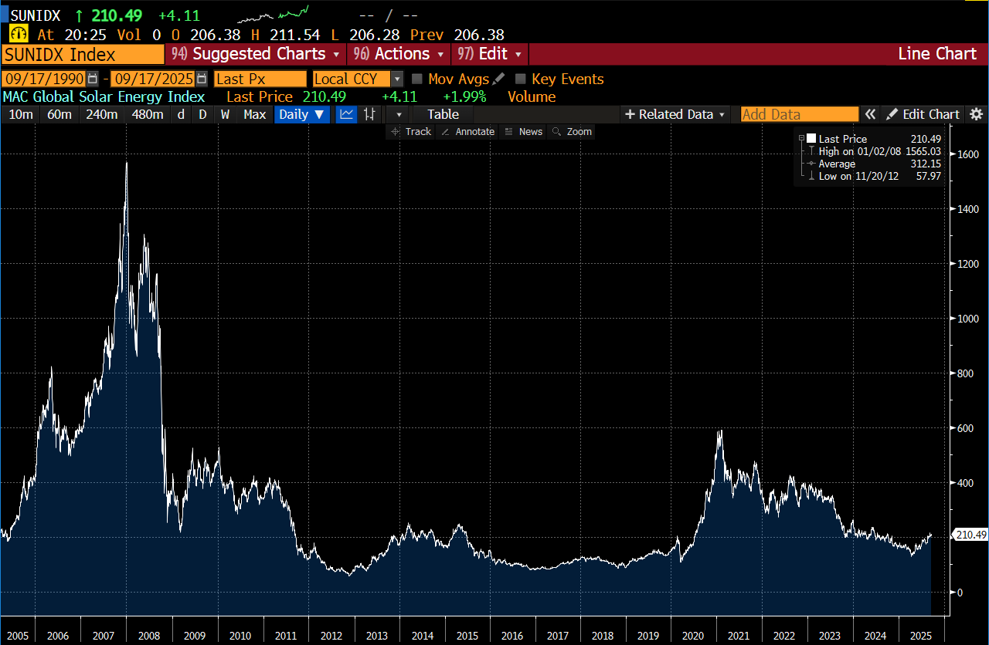
Date | Last Price
2025-09-17 | 210.45
2025-09-16 | 206.38
2025-09-15 | 204.52
2025-09-12 | 201.64
2025-09-11 | 202.59
2025-09-10 | 203.6
2025-09-09 | 203.88
2025-09-08 | 209.97
2025-09-05 | 212.6
2025-09-04 | 203.6
2025-09-03 | 201.15
2025-09-02 | 198.96
2025-09-01 | 201.6
2025-08-29 | 201.86
2025-08-28 | 200.45
2025-08-27 | 198.81
2025-08-26 | 202.39
2025-08-25 | 202.15
2025-08-22 | 201.19
2025-08-21 | 192.44
2025-08-20 | 198.7
2025-08-19 | 199.61
2025-08-18 | 201.47
2025-08-15 | 192.32
2025-08-14 | 177.74
2025-08-13 | 180.5
2025-08-12 | 178.53
2025-08-11 | 178
2025-08-08 | 178.03
2025-08-07 | 177.46
2025-08-06 | 174.73
2025-08-05 | 176.58
2025-08-04 | 177.46
2025-08-01 | 177.55
2025-07-31 | 179.08
2025-07-30 | 182.25
2025-07-29 | 186.62
2025-07-28 | 187.8
2025-07-25 | 189.25
2025-07-24 | 190.13
2025-07-23 | 189.48
2025-07-22 | 193.51
2025-07-21 | 185.8
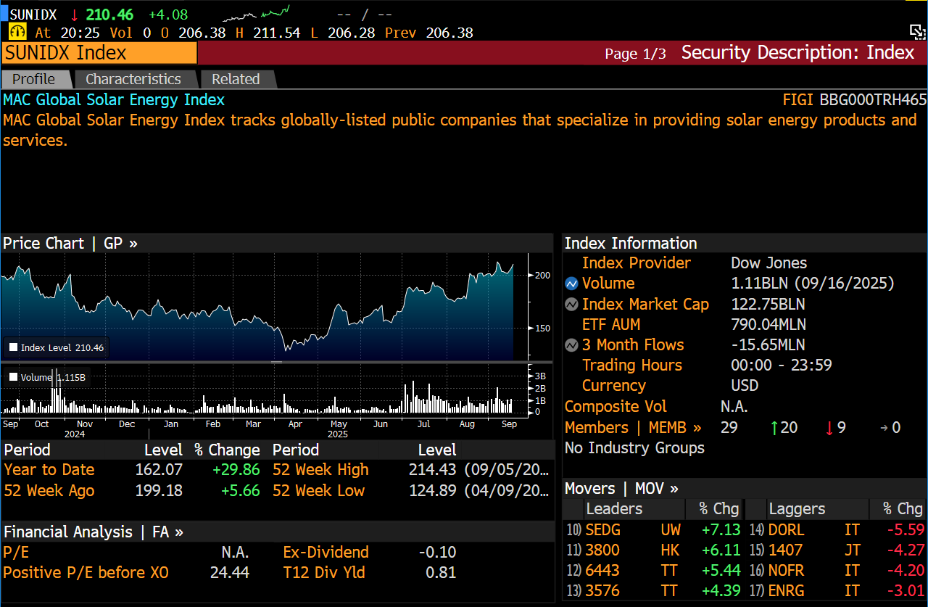
2025-07-18 | 183.87
2025-07-17 | 183.41
2025-07-16 | 182.74
2025-07-15 | 185.7
2025-07-14 | 185.58
2025-07-11 | 185.11
2025-07-10 | 188.33
2025-07-09 | 187.13
2025-07-08 | 184.74
2025-07-07 | 187.5
2025-07-04 | 188.81
2025-07-03 | 187.26
2025-07-02 | 179.12
2025-07-01 | 170.79
2025-06-30 | 165.87
2025-06-27 | 165.63
2025-06-26 | 166.19
2025-06-25 | 162.23
2025-06-24 | 161.53
2025-06-23 | 155.17
2025-06-20 | 156.04
2025-06-19 | 157.39
2025-06-18 | 157.51
2025-06-17 | 156.26
2025-06-16 | 171.63
2025-06-13 | 169.29
2025-06-12 | 165.99
2025-06-11 | 167.92
2025-06-10 | 166.52
2025-06-09 | 163.7
2025-06-06 | 162.83
2025-06-05 | 161.56
2025-06-04 | 160.81
2025-06-03 | 160.11
2025-06-02 | 154.26
2025-05-30 | 157.54
2025-05-29 | 155.03
2025-05-28 | 153.86
2025-05-27 | 155.34
2025-05-26 | 154.56
2025-05-23 | 153.96
2025-05-22 | 152.96
2025-05-21 | 165.08
2025-05-20 | 166.96
2025-05-19 | 165.99
2025-05-16 | 170.33
2025-05-15 | 172.61
2025-05-14 | 171.37
2025-05-13 | 168.27
2025-05-12 | 160.31
2025-05-09 | 153.8
2025-05-08 | 149.17
2025-05-07 | 143.71
2025-05-06 | 141.97
2025-05-05 | 140.16
2025-05-02 | 142.08
2025-05-01 | 139.76
2025-04-30 | 138.33
2025-04-29 | 143.38
2025-04-28 | 144.13
2025-04-25 | 144.21
2025-04-24 | 140.12
2025-04-23 | 137.36
2025-04-22 | 139.76
2025-04-21 | 134.04
2025-04-18 | 136.91
2025-04-17 | 136.89
2025-04-16 | 135.1
2025-04-15 | 137.75
2025-04-14 | 138.92
2025-04-11 | 133.43
2025-04-10 | 129.8
2025-04-09 | 133.54
2025-04-08 | 128.39
2025-04-07 | 134.92
2025-04-04 | 142.57
2025-04-03 | 147.46
2025-04-02 | 150.65
2025-04-01 | 149.43
2025-03-31 | 147.84
2025-03-28 | 150.92
2025-03-27 | 151.46
2025-03-26 | 152.66
2025-03-25 | 155.86
2025-03-24 | 154.3
2025-03-21 | 155.84
2025-03-20 | 158.28
2025-03-19 | 159.97
2025-03-18 | 159.32
2025-03-17 | 161.64
2025-03-14 | 156.75
2025-03-13 | 155.21
2025-03-12 | 156.26
2025-03-11 | 158.18
2025-03-10 | 158.11
2025-03-07 | 158.64
2025-03-06 | 156.03
2025-03-05 | 156.33
2025-03-04 | 154.74
2025-03-03 | 152.67
2025-02-28 | 157.66
2025-02-27 | 164.13
2025-02-26 | 169.82
2025-02-25 | 166.66
2025-02-24 | 166.74
2025-02-21 | 167.37
2025-02-20 | 170.93
2025-02-19 | 171.72
2025-02-18 | 168.95
2025-02-17 | 166.72
2025-02-14 | 166.14
2025-02-13 | 163.31
2025-02-12 | 160.47
2025-02-11 | 161.83
2025-02-10 | 165.96
2025-02-07 | 166.67
2025-02-06 | 166.45
2025-02-05 | 162.78
2025-02-04 | 164.74
2025-02-03 | 160.84
2025-01-31 | 164.22
2025-01-30 | 165.34
2025-01-29 | 163.05
2025-01-28 | 158.3
2025-01-27 | 161.5
2025-01-24 | 163.16
2025-01-23 | 161.69
2025-01-22 | 158.61
2025-01-21 | 163.59
2025-01-20 | 167.48
2025-01-17 | 166.7
2025-01-16 | 167.64
2025-01-15 | 166.29
2025-01-14 | 164.75
2025-01-13 | 163.4
2025-01-10 | 165.74
2025-01-09 | 170.31
2025-01-08 | 171.03
2025-01-07 | 176.94
2025-01-06 | 172.49
2025-01-03 | 170.54
2025-01-02 | 168.44
2025-01-01 | 162.05
2024-12-31 | 162.07
2024-12-30 | 163.22
2024-12-27 | 165.1
2024-12-26 | 166.44
2024-12-25 | 167.14
2024-12-24 | 167.08
2024-12-23 | 165
2024-12-20 | 161.27
2024-12-19 | 157.66
2024-12-18 | 163.41
2024-12-17 | 166.57
2024-12-16 | 165.51
2024-12-13 | 168.96
2024-12-12 | 169.02
2024-12-11 | 171.7
2024-12-10 | 172.7
2024-12-09 | 175.9
2024-12-06 | 170.59
2024-12-05 | 171.26
2024-12-04 | 174.46
2024-12-03 | 178.03
2024-12-02 | 180.18
2024-11-29 | 177.25
2024-11-28 | 176.35
2024-11-27 | 175.82
2024-11-26 | 172.82
2024-11-25 | 173.62
2024-11-22 | 167.02
2024-11-21 | 165.52
2024-11-20 | 166.71
2024-11-19 | 164.42
2024-11-18 | 166.13
2024-11-15 | 165.56
2024-11-14 | 171.19
2024-11-13 | 168.36
2024-11-12 | 168.14
2024-11-11 | 174.58
...

FTSE ENV OPPORT ENE EFF
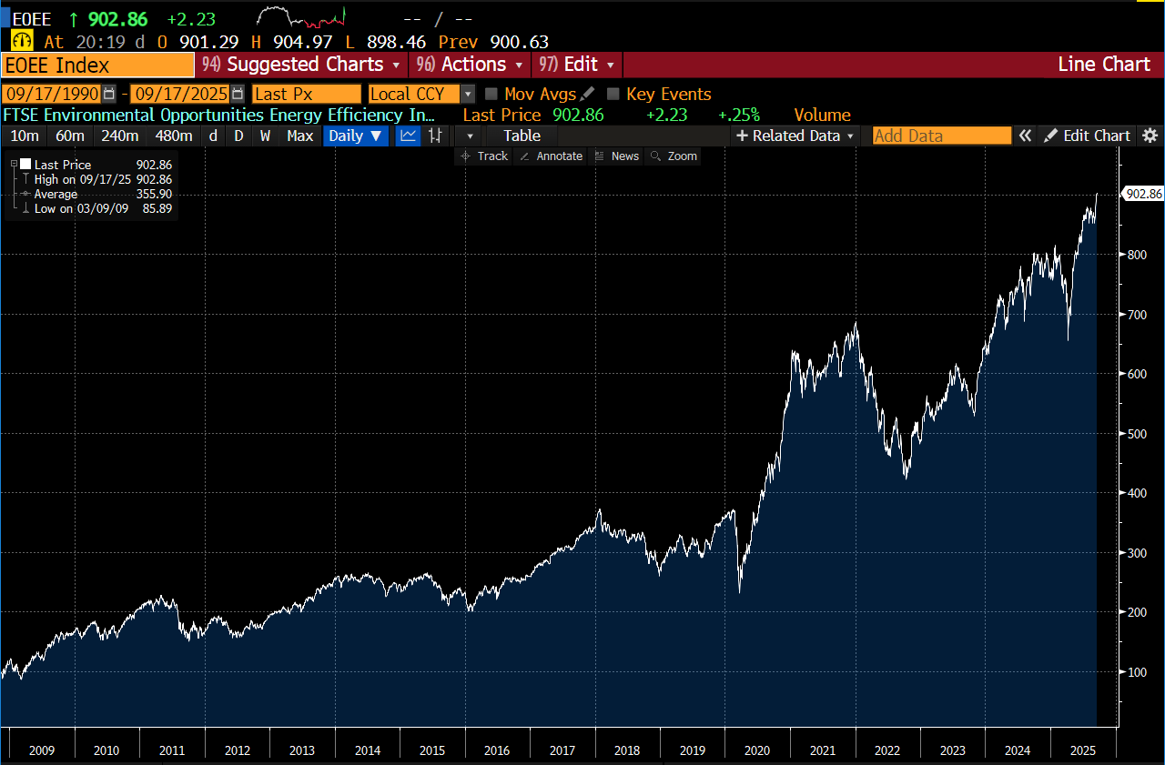
Date | Last Price
2025-09-17 | 902.86
2025-09-16 | 900.63
2025-09-15 | 899.31
2025-09-12 | 895.92
2025-09-11 | 894.02
2025-09-10 | 888.42
2025-09-09 | 879.15
2025-09-08 | 877.26
2025-09-05 | 871.12
2025-09-04 | 863.01
2025-09-03 | 855.74
2025-09-02 | 852.74
2025-09-01 | 862.57
2025-08-29 | 862.99
2025-08-28 | 869.02
2025-08-27 | 865.97
2025-08-26 | 862.19
2025-08-25 | 863.23
2025-08-22 | 862.59
2025-08-21 | 852.12
2025-08-20 | 857.45
2025-08-19 | 869.62
2025-08-18 | 868.53
2025-08-15 | 871.94
2025-08-14 | 871.56
2025-08-13 | 877.66
2025-08-12 | 870.72
2025-08-11 | 866.08
2025-08-08 | 870.74
2025-08-07 | 872.17
2025-08-06 | 862.23
2025-08-05 | 859.24
2025-08-04 | 860.08
2025-08-01 | 853.1
2025-07-31 | 868.1
2025-07-30 | 871.21
2025-07-29 | 872.11
2025-07-28 | 873.88
2025-07-25 | 876.89
2025-07-24 | 876.67
2025-07-23 | 878.87
2025-07-22 | 871.71
2025-07-21 | 874.75
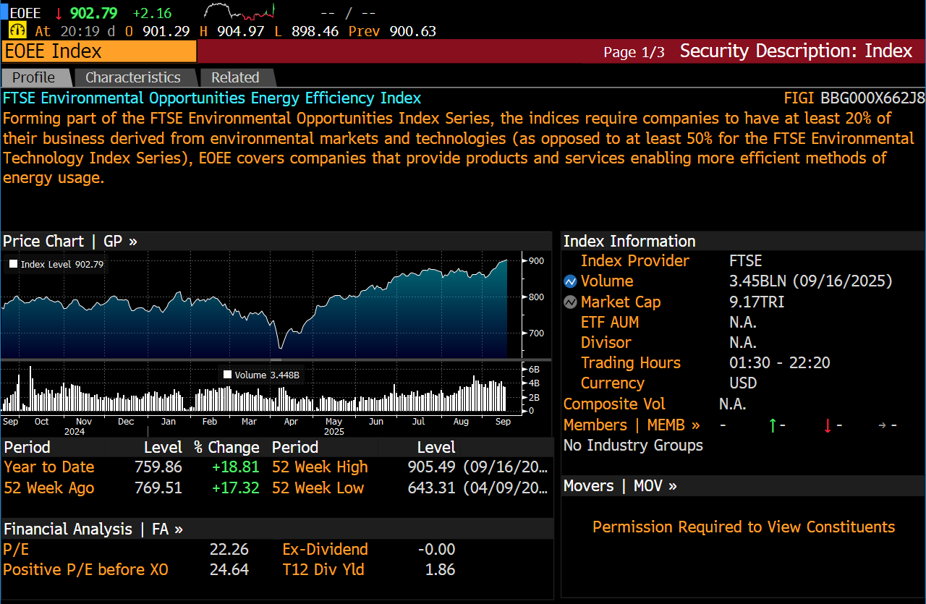
2025-07-18 | 873.88
2025-07-17 | 870.81
2025-07-16 | 860.27
2025-07-15 | 860.5
2025-07-14 | 861.9
2025-07-11 | 863.89
2025-07-10 | 865.92
2025-07-09 | 864.37
2025-07-08 | 857.62
2025-07-07 | 857.96
2025-07-04 | 861.83
2025-07-03 | 864.82
2025-07-02 | 857.65
2025-07-01 | 856.37
2025-06-30 | 856.8
2025-06-27 | 855.3
2025-06-26 | 847.17
2025-06-25 | 838.84
2025-06-24 | 840.93
2025-06-23 | 823.09
2025-06-20 | 821.28
2025-06-19 | 818.25
2025-06-18 | 825.51
2025-06-17 | 826.06
2025-06-16 | 830.02
2025-06-13 | 820.24
2025-06-12 | 832.17
2025-06-11 | 829.42
2025-06-10 | 825.99
2025-06-09 | 820.55
2025-06-06 | 819.12
2025-06-05 | 817.29
2025-06-04 | 813.71
2025-06-03 | 804.31
2025-06-02 | 799.34
2025-05-30 | 799.44
2025-05-29 | 802.11
2025-05-28 | 800.52
2025-05-27 | 803.73
2025-05-26 | 797.23
2025-05-23 | 793.03
2025-05-22 | 794.43
2025-05-21 | 798.51
2025-05-20 | 804.06
2025-05-19 | 804.87
2025-05-16 | 804.85
2025-05-15 | 801.06
2025-05-14 | 798.01
2025-05-13 | 795.25
2025-05-12 | 788.89
2025-05-09 | 776.12
2025-05-08 | 773.87
...

MVIS GLO URAN PR
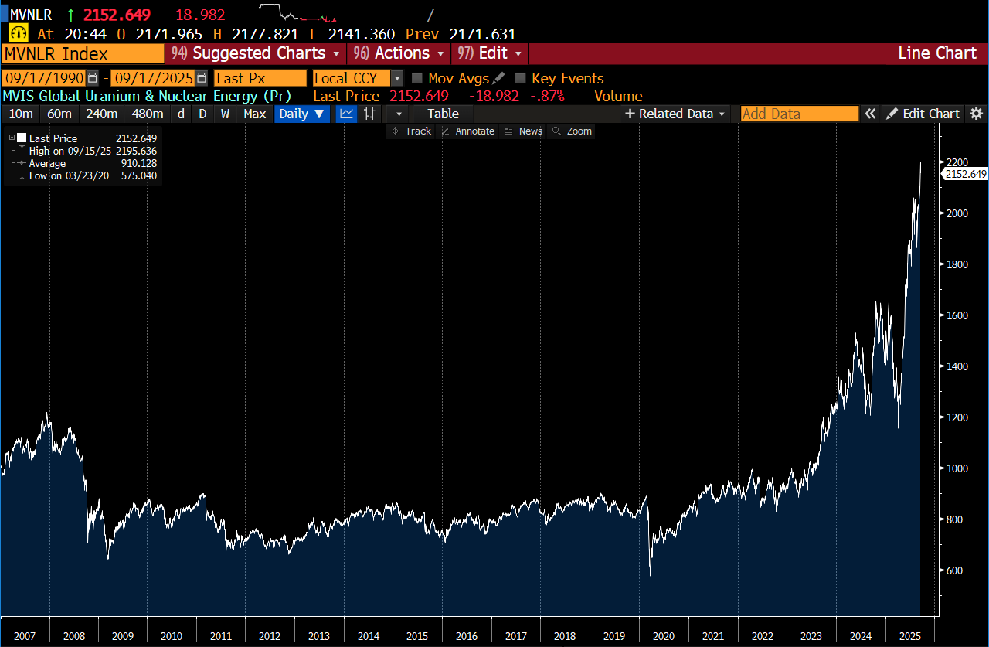
Date | Last Price
2025-09-17 | 2151.739
2025-09-16 | 2171.631
2025-09-15 | 2195.636
2025-09-12 | 2087.803
2025-09-11 | 2098.911
2025-09-10 | 2092.32
2025-09-09 | 2077.652
2025-09-08 | 2049.568
2025-09-05 | 2022.195
2025-09-04 | 2011.729
2025-09-03 | 2032.907
2025-09-02 | 2019.122
2025-09-01 | 2027.682
2025-08-29 | 2027
2025-08-28 | 2018.07
2025-08-27 | 1995.767
2025-08-26 | 2019.852
2025-08-25 | 1959.815
2025-08-22 | 1948.451
2025-08-21 | 1878.779
2025-08-20 | 1863.391
2025-08-19 | 1889.178
2025-08-18 | 1963.759
2025-08-15 | 1973.791
2025-08-14 | 1977.693
2025-08-13 | 1987.819
2025-08-12 | 2025.973
2025-08-11 | 1995.676
2025-08-08 | 2014.135
2025-08-07 | 2039.143
2025-08-06 | 2051.305
2025-08-05 | 2029.23
2025-08-04 | 1974.036
2025-08-01 | 1913.359
2025-07-31 | 1957.449
2025-07-30 | 1981.754
2025-07-29 | 1983.447
2025-07-28 | 2023.347
2025-07-25 | 2057.657
2025-07-24 | 2050.765
2025-07-23 | 1999.605
2025-07-22 | 1964.348
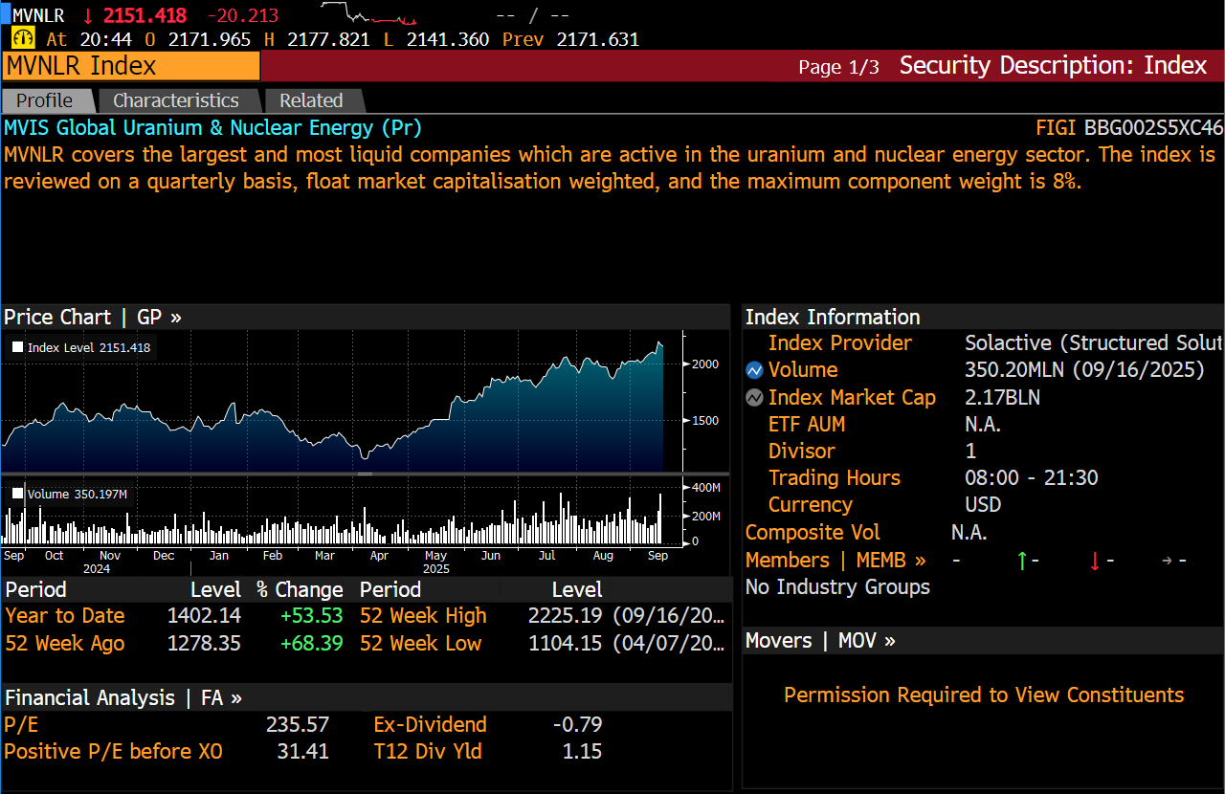
2025-07-21 | 1961.829
2025-07-18 | 1998.51
2025-07-17 | 1967.521
2025-07-16 | 1937.989
2025-07-15 | 1893.795
2025-07-14 | 1887.92
2025-07-11 | 1838.595
2025-07-10 | 1813.084
2025-07-09 | 1789.558
2025-07-08 | 1814.198
2025-07-07 | 1854.471
2025-07-04 | 1845.011
2025-07-03 | 1853.334
2025-07-02 | 1845.205
2025-07-01 | 1839.145
2025-06-30 | 1891.187
2025-06-27 | 1869.463
2025-06-26 | 1883.13
2025-06-25 | 1859.489
2025-06-24 | 1890.705
2025-06-23 | 1839.68
2025-06-20 | 1833.375
2025-06-19 | 1863.289
2025-06-18 | 1863.281
2025-06-17 | 1847.712
2025-06-16 | 1872.676
2025-06-13 | 1790.211
2025-06-12 | 1798.611
2025-06-11 | 1792.368
2025-06-10 | 1703.132
2025-06-09 | 1737.327
2025-06-06 | 1700.238
2025-06-05 | 1670.398
2025-06-04 | 1680.071
2025-06-03 | 1681.292
2025-06-02 | 1661.158
2025-05-30 | 1665.93
2025-05-29 | 1669.22
2025-05-28 | 1704.15
2025-05-27 | 1715.24
2025-05-26 | 1663.84
2025-05-23 | 1651.1
2025-05-22 | 1510.95
2025-05-21 | 1506.93
2025-05-20 | 1509.83
2025-05-19 | 1512.12
2025-05-16 | 1508.74
2025-05-15 | 1510.54
2025-05-14 | 1508.34
2025-05-13 | 1482.05
2025-05-12 | 1454.64
2025-05-09 | 1447.33
...

